J-BLWSWM126D009
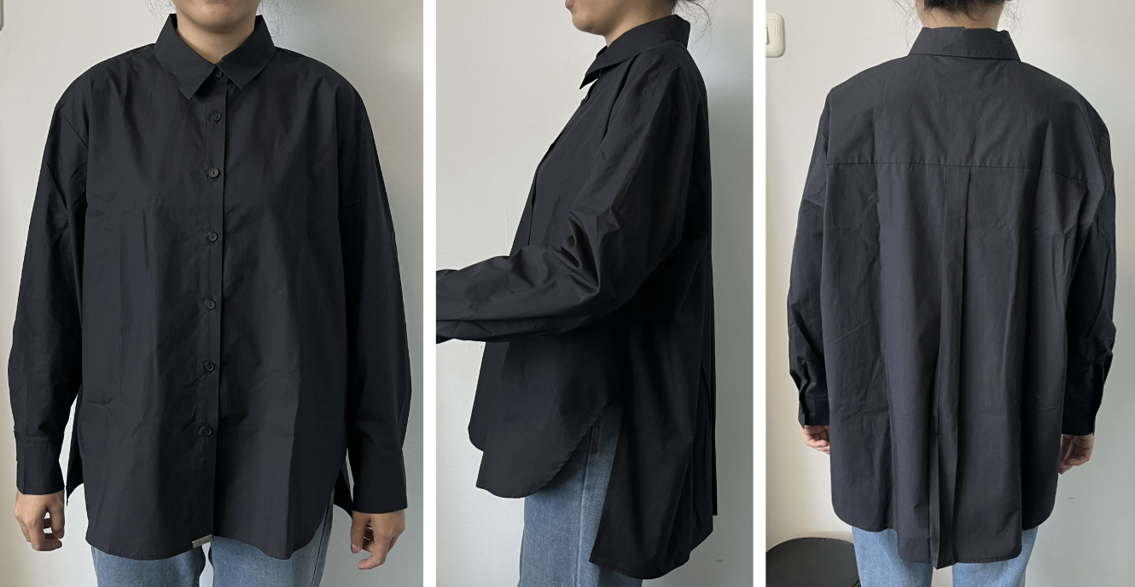
ORDER COSTING FORM

 | STYLE : | J-BLWSWM126D009 |  | WASHING TYPE :
 | GARMENT COLOR : | NAVY |  | GARMENT DESC : | SHIRT
 | QTY ORDER : | 401 | PCS | FABRIC COMPOSITION | Fine Twill 30 100% Cotton, 57-58", +- 167gsm, finished

 | BRANDS : | JENAHARA

No. | PRODUCT ITEMS |  |  | DESCRIPTION /CODE/COLOR | CONSP./pc garment |  | MATERIAL PRICE |  |  |  |  | Garment Cost/unit | % Allow. based on qty order | TOTAL Garment Cost/pc
 |  |  |  |  |  |  | pc/ unit | USD/ IDR | Original Price in unit | Local/ Import | Price/pc + Taxes
 | FABRICS :
1 | 3003 - Fine Twill 30 100% Cotton, 57-58", +- 167gsm, finished |  |  | LT. BLUE | 1.48 | Yards | 1 | IDR | 32,040.00 | Local | 39,500.00 | IDR 47,323.08 | 3% | IDR 48,742.77
2 |  |  |  |  | 1.48
3
4
 |  |  |  |  |  |  |  |  |  |  |  |  | TOTAL = | IDR 48,742.77
1 | Benang |  |  |  | 1.00 | Pcs | 1 | IDR | 1,000.00 | Local | 1,000.00 | IDR 1,000.00 | 3% | IDR 1,030.00
2 | POLYBUTTON MATTE UK.16L/4H |  |  |  | 10.00 | Pcs | 1 | IDR | 200.00 | Local | 200.00 | IDR 2,000.00 | 3% | IDR 2,060.00
3 | INTERLINING |  |  |  | 0.08 | YARD | 1 | IDR | 15000 | Local | 15,000.00 | IDR 1,200.00 | 3% | IDR 1,236.00
4 |  |  |  |  |  | Pcs | 1 | IDR |  | Local | - |  | 0%
5 |  |  |  |  |  | Pcs | 0 | IDR |  | Local |  |  | 0%
6 |  |  |  |  |  | Pcs | 0 | IDR | - | Local |  |  | 0%
 |  |  |  |  |  |  | 0 |  |  |  |  |  | TOTAL = | IDR 4,326.00
1 | MAIN LABEL |  |  |  | 1.00 | Pcs | 12 | IDR | Rp5,772 | Local | Rp481 | IDR 481.00 | 3% | IDR 495.43
2 | care label |  |  |  | 1.00 | Pcs | 12 | IDR | Rp1,665 | Local | Rp139 | IDR 138.75 | 3% | IDR 142.91
3 | mini art label |  |  |  | 1.00 | Pcs | 1 | IDR | Rp110 | Local | Rp110 | IDR 110.00 | 3% | IDR 113.30
4 | Hangtag |  |  |  | 1.00 | Pcs | 1 | IDR | Rp220 | Local | Rp220 | IDR 220.00 | 3% | IDR 226.60
5 | Polybag |  |  |  | 1.00 | Pcs | 1 | IDR | Rp250 | Local | Rp250 | IDR 250.00 | 3% | IDR 257.50
6 | Tag Pin / Lock Pin |  |  |  | 1.00 | Pcs | 1 | IDR | Rp25 | Local | Rp25 | IDR 25.00 | 3% | IDR 25.75
7 | Carton Box |  |  |  | 1.00 | Pcs | 1 | IDR | Rp650 | Local | Rp650 | IDR 650.00 | 3% | IDR 669.50
8 | HU Label & lakban |  |  |  | 1.00 | Pcs | 1 | IDR | Rp750 | Local | Rp750 | IDR 750.00 | 3% | IDR 772.50
9 | METAL PLATE |  |  |  | 1.00 | Pcs | 1 | IDR | Rp1,499 | Local | Rp1,499 | IDR 1,499.00 | 3% | IDR 1,543.97
 |  |  |  |  |  |  |  |  |  |  |  |  | 0%
 |  |  |  |  |  |  |  |  |  |  |  |  | TOTAL = | IDR 4,247.46
1 | EMBRO |  |  |  | 1 | Pcs | 1 | IDR | 0.00 | Local | - | IDR - | 0% | IDR -
2 | PRINTING |  |  |  | 1 | Pcs | 1 | IDR | 0.00 | Local | - | IDR - | 0% | IDR -
3 | WASHING | 0 |  |  | 0 | Pcs | 1 | IDR | 0.00 | Local | - | IDR - | 0% | IDR -
 |  |  |  |  |  |  |  |  |  |  |  |  | TOTAL = | IDR -
 | CM COST |  |  |  | 1 | Pcs | 1 | IDR | 0.00 | Local | 34,000.00 | IDR 34,000.00 | 0% | IDR 34,000.00
 | OVERHEAD |  |  |  | 1 | Pcs | 1 | IDR | 0.00 | Local | 2,000.00 | IDR 2,000.00 | 0% | IDR 2,000.00
 |  |  |  |  |  |  |  |  |  |  |  |  | TOTAL = | IDR 36,000.00
 |  |  |  |  |  |  |  |  |  |  |  |  | TOTAL GARMENT COST/PC = | IDR 93,316.23
 |  |  |  |  |  |  |  |  |  |  |  | MARGIN | 5% | IDR 4,665.81
 |  |  |  |  |  |  |  |  |  |  |  | GRAND TOTAL COGS |  | IDR 97,982.05
 |  |  |  |  |  |  |  |  |  |  |  |  |  | 97900

