ITBSIB26H086 NAVY
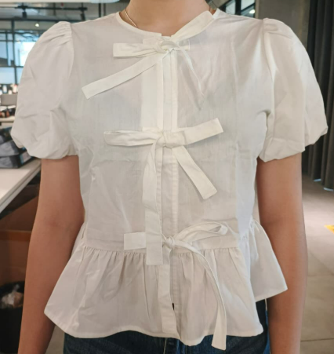
ORDER COSTING FORM

 | STYLE : | ITBSIB26H086 NAVY / I-BSWKCR226H608 |  | WASHING TYPE :
 | GARMENT COLOR : | NAVY | black | GARMENT DESC : | PUFFSLEEVE TIED BLOUSE
 | QTY ORDER : | 3,500 | PCS | FABRIC COMPOSITION | 100%COTTON
 |  | AVY
 | BRANDS : | COLOR BOX

No. | PRODUCT ITEMS |  |  | DESCRIPTION /CODE/COLOR | CONSP./pc garment |  | MATERIAL PRICE |  |  |  |  | Garment Cost/unit | % Allow. based on qty order | TOTAL Garment Cost/pc
 |  |  |  |  |  |  | pc/ unit | USD/ IDR | Original Price in unit | Local/ Import | Price/pc + Taxes
 | FABRICS :
1 | OTTON 40'S TOKAI |  |  | NAVY | 0.91 | Yards | 1 | IDR | 24,600.00 | Local | - | IDR 22,386.00 | 3% | IDR 23,057.58
2 | LINING ASAHI |  |  | NAVY | 0.30 | Yards | 1 | IDR | 8500 | Local | - | IDR 2,550.00 | 3% | IDR 2,626.50
3
4 | 24540.516
 |  |  |  |  |  |  |  |  |  |  |  |  | TOTAL = | IDR 25,684.08
1 | Benang |  |  |  | 1.00 | Pcs | 1 | IDR | 1,500.00 | Local | 1,500.00 | IDR 1,500.00 | 3% | IDR 1,545.00
2 | SNAP BUTTON 16L |  |  |  | 3.00 | SET | 1 | IDR | 750.00 | Local | 750.00 | IDR 2,250.00 | 3% | IDR 2,317.50
3 |  |  |  |  |  | YARD | 1 | IDR | 0 | Local | - |  | 3%
4 |  |  |  |  |  | YARD | 1 | IDR | 0 | Local | - |  | 3%
5 |  |  |  |  |  | Pcs | 0 | IDR |  | Local |  |  | 0%
6 |  |  |  |  |  | Pcs | 0 | IDR | - | Local |  |  | 0%
 |  |  |  |  |  |  | 0 |  |  |  |  |  | TOTAL = | IDR 3,862.50
1 | Small / Boat Label |  |  |  | 1.00 | Pcs | 12 | IDR | Rp1,500 | Local | Rp325 | IDR 325.00 | 3% | IDR 334.75
2 | care label |  |  |  | 1.00 | Pcs | 12 | IDR | Rp600 | Local | Rp130 | IDR 130.00 | 3% | IDR 133.90
3 | mini art label |  |  |  | 1.00 | Pcs | 1 | IDR | Rp500 | Local | Rp110 | IDR 110.00 | 3% | IDR 113.30
4 | Hangtag |  |  |  | 1.00 | Pcs | 1 | IDR | Rp220 | Local | Rp220 | IDR 220.00 | 3% | IDR 226.60
5 | Polybag |  |  |  | 1.00 | Pcs | 1 | IDR | Rp250 | Local | Rp250 | IDR 250.00 | 3% | IDR 257.50
6 | Tag Pin / Lock Pin |  |  |  | 1.00 | Pcs | 1 | IDR | Rp25 | Local | Rp17 | IDR 17.00 | 3% | IDR 17.51
7 | Carton Box |  |  |  | 1.00 | Pcs | 1 | IDR | Rp650 | Local | Rp380 | IDR 380.00 | 3% | IDR 391.40
8 | HU Label & lakban |  |  |  | 1.00 | Pcs | 1 | IDR | Rp750 | Local | Rp300 | IDR 300.00 | 3% | IDR 309.00
 |  |  |  |  |  |  |  |  |  |  |  |  | 0%
 |  |  |  |  |  |  |  |  |  |  |  |  | TOTAL = | IDR 1,783.96
1 | EMBRO |  |  |  | 1 | Pcs | 1 | IDR | 0.00 | Local | - | IDR - | 0% | IDR -
2 | PRINTING |  |  |  | 1 | Pcs | 1 | IDR | 0.00 | Local | - | IDR - | 0% | IDR -
3 | WASHING | 0 |  |  | 0 | Pcs | 1 | IDR | 0.00 | Local | - | IDR - | 0% | IDR -
 |  |  |  |  |  |  |  |  |  |  |  |  | TOTAL = | IDR -
 | CM COST |  |  |  | 1 | Pcs | 1 | IDR | 0.00 | Local | 20,000.00 | IDR 20,000.00 | 0% | IDR 20,000.00
 | OVERHEAD |  |  |  | 1 | Pcs | 1 | IDR | 0.00 | Local | 2,000.00 | IDR 2,000.00 | 0% | IDR 2,000.00
 |  |  |  |  |  |  |  |  |  |  |  |  | TOTAL = | IDR 22,000.00
 |  |  |  |  |  |  |  |  |  |  |  |  | TOTAL GARMENT COST/PC = | IDR 53,330.54
 |  |  |  |  |  |  |  |  |  |  |  | MARGIN | 5% | IDR 2,666.53
 |  |  |  |  |  |  |  |  |  |  |  | GRAND TOTAL COGS |  | IDR 55,997.07
 |  |  |  |  |  |  |  |  |  |  |  |  |  | 56000

