IBSKCB26H030
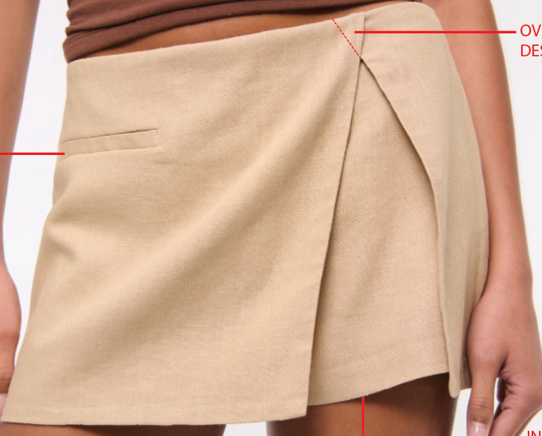
ORDER COSTING FORM

 | STYLE : | IBSKCB26H030 |  | WASHING TYPE :
 | GARMENT COLOR : | PLUM |  | GARMENT DESC : | SKORT
 | QTY ORDER : | 2,500 | PCS | FABRIC COMPOSITION | 100% Poly, fw : 57-58", 210-220gsm

 | BRANDS : | COLOR BOX

No. | PRODUCT ITEMS |  |  | DESCRIPTION /CODE/COLOR | CONSP./pc garment |  | MATERIAL PRICE |  |  |  |  | Garment Cost/unit | % Allow. based on qty order | TOTAL Garment Cost/pc
 |  |  |  |  |  |  | pc/ unit | USD/ IDR | Original Price in unit | Local/ Import | Price/pc + Taxes
 | FABRICS :
1 | AV 47/714812 SALUR |  |  | PLUM | 0.89 | Yards | 1 | IDR | 30,180.00 | Local | 30,180.00 | IDR 26,860.20 | 0% | IDR 26,860.20
2 | AV 47/714812 SALUR INNER SKORT |  |  | PLUM | 0.34 | Yards | 1 | IDR | 30,180.00 | Local | 30,180.00 | IDR 10,261.20 | 0% | IDR 10,261.20
3 | ASAHI POCKETING |  |  | PLUM | 0.21 | Yards | 1 | IDR | 8,500.00 | Local | 8,500.00 | IDR 1,785.00 | 0% | IDR 1,785.00
4
 |  |  |  |  |  |  |  |  |  |  |  |  | TOTAL = | IDR 38,906.40
1 | Benang |  |  |  | 1.00 | Pcs | 1 | IDR | 1,000.00 | Local | 1,000.00 | IDR 1,000.00 | 0% | IDR 1,000.00
2 | INVISIBLE ZIPPER |  |  |  | 1.00 | Pcs | 1 | IDR | 2,800.00 | Local | 2,800.00 | IDR 2,800.00 | 0% | IDR 2,800.00
3 |  |  |  |  |  | Pcs |  | IDR |  | Local |  |  | 3%
4 |  |  |  |  |  | Pcs | 1 | IDR | - | Local | - |  | 3%
 |  |  |  |  |  |  | 0 |  |  |  |  |  | TOTAL = | IDR 3,800.00
1 | Small / Boat Label |  |  |  | 1.00 | Pcs | 12 | IDR | Rp4,300 | Local | 310.00 | IDR 310.00 | 3% | IDR 319.30
2 | care label |  |  |  | 1.00 | Pcs | 12 | IDR | Rp1,750 | Local | 130.00 | IDR 130.00 | 3% | IDR 133.90
3 | mini art label |  |  |  | 1.00 | Pcs | 12 | IDR | Rp375 | Local | 110.00 | IDR 110.00 | 3% | IDR 113.30
4 | Hangtag |  |  |  | 1.00 | Pcs | 1 | IDR | Rp220 | Local | 231.00 | IDR 231.00 | 3% | IDR 237.93
5 | Polybag |  |  |  | 1.00 | Pcs | 1 | IDR | Rp250 | Local | 300.00 | IDR 300.00 | 3% | IDR 309.00
6 | Tag Pin / Lock Pin |  |  |  | 1.00 | Pcs | 1 | IDR | Rp25 | Local | 17.00 | IDR 17.00 | 3% | IDR 17.51
7 | Carton Box |  |  |  | 1.00 | Pcs | 1 | IDR | Rp650 | Local | 460.00 | IDR 460.00 | 3% | IDR 473.80
8 | HU Label & lakban |  |  |  | 1.00 | Pcs | 1 | IDR | Rp750 | Local | 300.00 | IDR 300.00 | 3% | IDR 309.00
 |  |  |  |  |  |  |  |  |  |  |  |  | 0%
 |  |  |  |  |  |  |  |  |  |  |  |  | TOTAL = | IDR 1,913.74
1 | EMBRO |  |  |  | 1 | Pcs | 1 | IDR | 0.00 | Local | - | IDR - | 0% | IDR -
2 | PRINTING |  |  |  | 1 | Pcs | 1 | IDR | 0.00 | Local | - | IDR - | 0% | IDR -
3 | WASHING | 0 |  |  | 1 | Pcs | 1 | IDR | 0.00 | Local | - | IDR - | 0% | IDR -
 |  |  |  |  |  |  |  |  |  |  |  |  | TOTAL = | IDR -
 | CM COST |  |  |  | 1 | Pcs | 1 | IDR | 0.00 | Local | 26,000.00 | IDR 26,000.00 | 0% | IDR 26,000.00
 | OVERHEAD |  |  |  | 1 | Pcs | 1 | IDR | 0.00 | Local | 2,000.00 | IDR 2,000.00 | 0% | IDR 2,000.00
 |  |  |  |  |  |  |  |  |  |  |  |  | TOTAL = | IDR 28,000.00
 |  |  |  |  |  |  |  |  |  |  |  |  | TOTAL GARMENT COST/PC = | IDR 72,620.14
 |  |  |  |  |  |  |  |  |  |  |  | MARGIN | 5% | IDR 3,631.01
 |  | panjang 15-16 yard kewalram |  |  |  |  |  |  |  |  |  | GRAND TOTAL COGS |  | IDR 76,251.15
 |  |  |  |  |  |  |  |  |  |  |  |  |  | 76350

