Sheet1
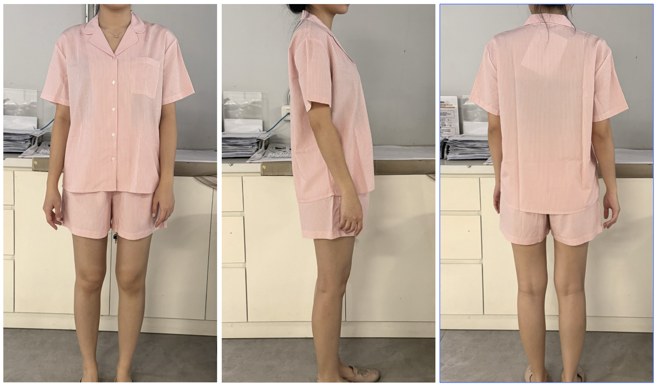
ORDER COSTING FORM

 | STYLE : | I-SWSFLW226H802 |  | WASHING TYPE : | NON WASH
 | GARMENT COLOR : | SAGE GREEN |  | GARMENT DESC : | TEE AND SHORTS SET
 | QTY ORDER : | 1,500 | PCS | FABRIC COMPOSITION | COTTON RAYON 30S

 | BRANDS : | COLORBOX
 |  |  |  |  |  |  |  |  |  |  |  | MILLS | : KURNIA TEX
 |  |  |  |  |  |  |  |  |  |  |  |  | TOKAI
No. | PRODUCT ITEMS |  |  | DESCRIPTION /CODE/COLOR | CONSP./pc garment |  | MATERIAL PRICE |  |  |  |  | Garment Cost/unit | % Allow. based on qty order | TOTAL Garment Cost/pc
 |  |  |  |  |  |  | pc/ unit | USD/ IDR | Original Price in unit | Local/ Import | Price/pc + Taxes
 | FABRICS :TOKAI CBD
1 | COTTON RAYON |  |  | LIGHT PINK | 1.575 | Yards | 1 | IDR | 31500 | Local | 31,500.00 | IDR 49,612.50 | 0% | IDR 49,612.50
2 |  |  |  |  |  | Yards | 1 | IDR | 0 | Local | - |  | 0%
3 |  |  |  |  |  | Yards |  | IDR |  | Local |  |  | 0%
4
 |  |  |  |  |  |  |  |  |  |  |  |  | TOTAL = | IDR 49,612.50
1 | Benang |  |  |  | 1.00 | Pcs | 1 | IDR | 1,000.00 | Local | 1,000.00 | IDR 1,000.00 | 0% | IDR 1,000.00
2 | Elastic band |  |  |  | 0.80 | Pcs | 1 | IDR | 2500 | Local | 2,500.00 | IDR 2,000.00 | 0% | IDR 2,000.00
3 | 16l POLYBUTTON |  |  |  | 6.00 | Pcs | 1 | IDR | 105 | Local | 105.00 | IDR 630.00 | 0% | IDR 630.00
4 |  |  |  |  | 0.00 | Pcs | 1 | IDR | 0 | Local | - | IDR - | 0% | IDR -
5 |  |  |  |  |  | Pcs |  | IDR |  | Local |  |  | 0%
6 |  |  |  |  |  | Pcs |  | IDR |  | Local |  |  | 0%
 |  |  |  |  |  |  |  |  |  |  |  |  | TOTAL = | IDR 3,630.00
1 | Small / Boat Label |  |  |  | 2.00 | Pcs | 1 | IDR | 310.00 | Local | 310.00 | IDR 620.00 | 0% | IDR 620.00
2 | care label |  |  |  | 2.00 | Pcs | 12 | IDR | 600.00 | Local | 130.00 | IDR 260.00 | 0% | IDR 260.00
3 | mini art label |  |  |  | 2.00 | Pcs | 1 | IDR | 500.00 | Local | 110.00 | IDR 220.00 | 0% | IDR 220.00
4 | Hangtag |  |  |  | 1.00 | Pcs | 1 | IDR | 231.00 | Local | 231.00 | IDR 231.00 | 0% | IDR 231.00
5 | Polybag |  |  |  | 1.00 | Pcs | 1 | IDR | 250.00 | Local | 250.00 | IDR 250.00 | 0% | IDR 250.00
6 | Tag Pin / Lock Pin |  |  |  | 1.00 | Pcs | 1 | IDR | 17.00 | Local | 17.00 | IDR 17.00 | 0% | IDR 17.00
7 | Carton Box |  |  |  | 1.00 | Pcs | 1 | IDR | 450.00 | Local | 450.00 | IDR 450.00 | 0% | IDR 450.00
8 | HU Label & lakban |  |  |  | 1.00 | Pcs | 1 | IDR | 300.00 | Local | 300.00 | IDR 300.00 | 0% | IDR 300.00

 |  |  |  |  |  |  |  |  |  |  |  |  | TOTAL = | IDR 2,348.00
1 | EMBRO |  |  |  | 1 | Pcs | 1 | IDR | 5,000.00 | Local | 5,000.00 | IDR 5,000.00 | 0% | IDR 5,000.00
2 | PRINTING |  |  |  | 1 | Pcs | 1 | IDR | 0.00 | Local | - | IDR - | 0% | IDR -
3 | WASHING | NON WASH |  |  |  | Pcs |  | IDR |  | Local |  |  | 0%
 |  |  |  |  |  |  |  |  |  |  |  |  | TOTAL = | IDR 5,000.00
 | CM COST |  |  |  | 1 | Pcs | 1 | IDR | 19,000.00 | Local | 18,000.00 | IDR 18,000.00 | 0% | IDR 18,000.00
 | OVERHEAD |  |  |  | 1 | Pcs | 1 | IDR | 2,000.00 | Local | 1,000.00 | IDR 1,000.00 | 0% | IDR 1,000.00
 |  |  |  |  |  |  |  |  |  |  |  |  | TOTAL = | IDR 19,000.00
 |  |  |  |  |  |  |  |  |  |  |  |  | TOTAL GARMENT COST/PC = | IDR 79,590.50
 |  |  |  |  |  |  |  |  |  |  |  | MARGIN | 5% | IDR 3,979.53
 |  |  |  |  |  |  |  |  |  |  |  | GRAND TOTAL COGS |  | IDR 83,570.03
 |  |  |  |  |  |  |  |  |  |  |  |  |  | 83500

