Sheet1
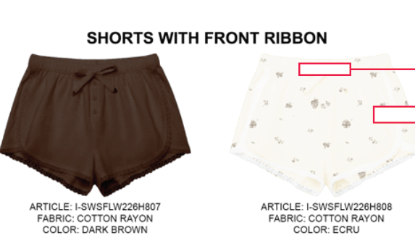
ORDER COSTING FORM

 | STYLE : | I-SPWFLW226H808 |  | WASHING TYPE : | NON WASH
 | GARMENT COLOR : | ECRU |  | GARMENT DESC : | SHORTS WITH FRONT RIBBON
 | QTY ORDER : | 1,199 | PCS | FABRIC COMPOSITION | COTTON RAYON 30S

 | BRANDS : | COLORBOX
 |  |  |  |  |  |  |  |  |  |  |  | MILLS | : TOKAI

No. | PRODUCT ITEMS |  |  | DESCRIPTION /CODE/COLOR | CONSP./pc garment |  | MATERIAL PRICE |  |  |  |  | Garment Cost/unit | % Allow. based on qty order | TOTAL Garment Cost/pc
 |  |  |  |  |  |  | pc/ unit | USD/ IDR | Original Price in unit | Local/ Import | Price/pc + Taxes
 | FABRICS :TOKAI CBD
1 | COTTON RAYON |  |  | ECRU | 0.610 | yards | 1 | IDR | 31500 | Local | 31,500.00 | IDR 19,215.00 | 0% | IDR 19,215.00
2 | POCKETING ASAHI |  |  |  | 0.210 | Yards | 1 | IDR | 9500 | Local | 9,500.00 | IDR 1,995.00 | 0% | IDR 1,995.00
3 |  |  |  |  |  | Yards |  | IDR |  | Local |  |  | 0%
4
 |  |  |  |  |  |  |  |  |  |  |  |  | TOTAL = | IDR 21,210.00
1 | Benang |  |  |  | 1.00 | Pcs | 1 | IDR | 1,000.00 | Local | 1,000.00 | IDR 1,000.00 | 0% | IDR 1,000.00
2 | Elastic band |  |  |  | 0.80 | Pcs | 1 | IDR | 2500 | Local | 2,500.00 | IDR 2,000.00 | 0% | IDR 2,000.00
3 | 16L POLY BUTTON (DIAMETER 1 CM) |  |  |  | 3.00 | Pcs | 1 | IDR | 105 | Local | 105.00 | IDR 315.00 | 0% | IDR 315.00
4 | LACE TRIMMING |  |  |  | 0.70 | MTR | 1 | IDR | 2000 | Local | 2,000.00 | IDR 1,400.00 | 0% | IDR 1,400.00
5 |  |  |  |  |  | Pcs |  | IDR |  | Local |  |  | 0%
6 |  |  |  |  |  | Pcs |  | IDR |  | Local |  |  | 0%
 |  |  |  |  |  |  |  |  |  |  |  |  | TOTAL = | IDR 4,715.00
1 | Small / Boat Label |  |  |  | 1.00 | Pcs | 1 | IDR | 310.00 | Local | 310.00 | IDR 310.00 | 0% | IDR 310.00
2 | care label |  |  |  | 1.00 | Pcs | 12 | IDR | 600.00 | Local | 130.00 | IDR 130.00 | 0% | IDR 130.00
3 | mini art label |  |  |  | 1.00 | Pcs | 1 | IDR | 500.00 | Local | 110.00 | IDR 110.00 | 0% | IDR 110.00
4 | Hangtag |  |  |  | 1.00 | Pcs | 1 | IDR | 231.00 | Local | 231.00 | IDR 231.00 | 0% | IDR 231.00
5 | Polybag |  |  |  | 1.00 | Pcs | 1 | IDR | 250.00 | Local | 250.00 | IDR 250.00 | 0% | IDR 250.00
6 | Tag Pin / Lock Pin |  |  |  | 1.00 | Pcs | 1 | IDR | 17.00 | Local | 17.00 | IDR 17.00 | 0% | IDR 17.00
7 | Carton Box |  |  |  | 1.00 | Pcs | 1 | IDR | 450.00 | Local | 450.00 | IDR 450.00 | 0% | IDR 450.00
8 | HU Label & lakban |  |  |  | 1.00 | Pcs | 1 | IDR | 300.00 | Local | 300.00 | IDR 300.00 | 0% | IDR 300.00

 |  |  |  |  |  |  |  |  |  |  |  |  | TOTAL = | IDR 1,798.00
1 | EMBRO |  |  |  | 1 | Pcs | 1 | IDR | 0.00 | Local | - | IDR - | 0% | IDR -
2 | PRINTING |  |  |  |  | Pcs |  | IDR |  | Local |  |  | 0%
3 | WASHING | NON WASH |  |  |  | Pcs |  | IDR |  | Local |  |  | 0%
 |  |  |  |  |  |  |  |  |  |  |  |  | TOTAL = | IDR -
 | CM COST |  |  |  | 1 | Pcs | 1 | IDR | 11,000.00 | Local | 11,000.00 | IDR 11,000.00 | 0% | IDR 11,000.00
 | OVERHEAD |  |  |  | 1 | Pcs | 1 | IDR | 1,000.00 | Local | 1,000.00 | IDR 1,000.00 | 0% | IDR 1,000.00
 |  |  |  |  |  |  |  |  |  |  |  |  | TOTAL = | IDR 12,000.00
 |  |  |  |  |  |  |  |  |  |  |  |  | TOTAL GARMENT COST/PC = | IDR 39,723.00
 |  |  |  |  |  |  |  |  |  |  |  | MARGIN | 5% | IDR 1,986.15
 |  |  |  |  |  |  |  |  |  |  |  | GRAND TOTAL COGS |  | IDR 41,709.15
 |  |  |  |  |  |  |  |  |  |  |  |  |  | 41700

