I-BSWFOV126G101
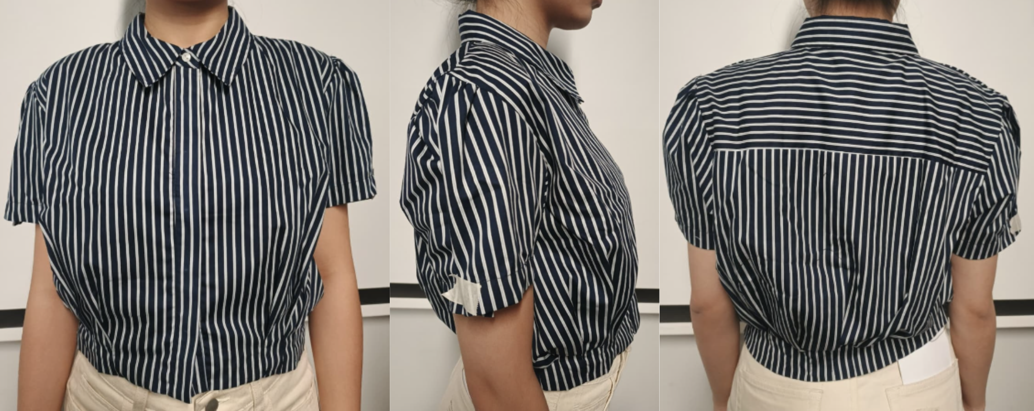
ORDER COSTING FORM

 | STYLE : | I-BSWFOV126G101 |  | WASHING TYPE :
 | GARMENT COLOR : | OFFWHITE |  | GARMENT DESC : | BALLOON BOTTOM CROPPED SHIRT
 | QTY ORDER : | 2,000 | PCS | FABRIC COMPOSITION | 100% COTTON

 | BRANDS : | COLOR BOX

No. | PRODUCT ITEMS |  |  | DESCRIPTION /CODE/COLOR | CONSP./pc garment |  | MATERIAL PRICE |  |  |  |  | Garment Cost/unit | % Allow. based on qty order | TOTAL Garment Cost/pc
 |  |  |  |  |  |  | pc/ unit | USD/ IDR | Original Price in unit | Local/ Import | Price/pc + Taxes
 | FABRICS :
1 | 100% COTTON, CD40XCD40/133X72, WIDTH : 58" |  |  | OFFWHITE | 1.02 | Yards | 1 | IDR | 24,600.00 | Local | 24,600.00 | IDR 25,092.00 | 3% | IDR 25,844.76
2 | LINING ASAHI |  |  | OFFWHITE | 0.40 | Yards | 1 | IDR | 9,500.00 | Local | 9,500.00 | IDR 3,800.00 | 3% | IDR 3,914.00
3
4
 |  |  |  |  |  |  |  |  |  |  |  |  | TOTAL = | IDR 29,758.76
1 | Benang |  |  |  | 1.00 | Pcs | 1 | IDR | 1,000.00 | Local | 1,000.00 | IDR 1,000.00 | 3% | IDR 1,030.00
2 | 16L COLORBOX POLYBUTTON |  |  |  | 7.00 | Pcs | 1 | IDR | 240.00 | Local | 240.00 | IDR 1,680.00 | 3% | IDR 1,730.40
3 | INTERLINING |  |  |  | 0.06 | YARD | 1 | IDR | 15,000.00 | Local | 15,000.00 | IDR 900.00 | 3% | IDR 927.00
4 |  |  |  |  |  | YARD | 1 | IDR |  | Local | - |  | 3%
5 |  |  |  |  |  | Pcs | 0 | IDR | 0.00 | Local | #DIV/0! |  | 3%
6 |  |  |  |  |  | Pcs | 0 | IDR | - | Local |  |  | 0%
 |  |  |  |  |  |  | 0 |  |  |  |  |  | TOTAL = | IDR 3,687.40
1 | Small / Boat Label |  |  |  | 1.00 | Pcs | 12 | IDR | Rp4,300 | Local | 358.33 | IDR 358.33 | 3% | IDR 369.08
2 | care label |  |  |  | 1.00 | Pcs | 12 | IDR | Rp1,750 | Local | 145.83 | IDR 145.83 | 3% | IDR 150.21
3 | mini art label |  |  |  | 1.00 | Pcs | 12 | IDR | Rp375 | Local | 31.25 | IDR 31.25 | 3% | IDR 32.19
4 | Hangtag |  |  |  | 1.00 | Pcs | 1 | IDR | Rp220 | Local | 220.00 | IDR 220.00 | 3% | IDR 226.60
5 | Polybag |  |  |  | 1.00 | Pcs | 1 | IDR | Rp250 | Local | 250.00 | IDR 250.00 | 3% | IDR 257.50
6 | Tag Pin / Lock Pin |  |  |  | 1.00 | Pcs | 1 | IDR | Rp25 | Local | 25.00 | IDR 25.00 | 3% | IDR 25.75
7 | Carton Box |  |  |  | 1.00 | Pcs | 1 | IDR | Rp650 | Local | 650.00 | IDR 650.00 | 3% | IDR 669.50
8 | HU Label & lakban |  |  |  | 1.00 | Pcs | 1 | IDR | Rp750 | Local | 750.00 | IDR 750.00 | 3% | IDR 772.50
 |  |  |  |  |  |  |  |  |  |  |  |  | 0%
 |  |  |  |  |  |  |  |  |  |  |  |  | TOTAL = | IDR 2,503.33
1 | EMBRO |  |  |  | 1 | Pcs | 1 | IDR | 0.00 | Local | - | IDR - | 0% | IDR -
2 | PRINTING |  |  |  | 1 | Pcs | 1 | IDR | 0.00 | Local | - | IDR - | 0% | IDR -
3 | WASHING | 0 |  |  | 1 | Pcs | 1 | IDR | 0.00 | Local | - | IDR - | 0% | IDR -
 |  |  |  |  |  |  |  |  |  |  |  |  | TOTAL = | IDR -
 | CM COST |  |  |  | 1 | Pcs | 1 | IDR | 0.00 | Local | 20,000.00 | IDR 20,000.00 | 0% | IDR 20,000.00
 | OVERHEAD |  |  |  | 1 | Pcs | 1 | IDR | 0.00 | Local | 2,000.00 | IDR 2,000.00 | 0% | IDR 2,000.00
 |  |  |  |  |  |  |  |  |  |  |  |  | TOTAL = | IDR 22,000.00
 |  |  |  |  |  |  |  |  |  |  |  |  | TOTAL GARMENT COST/PC = | IDR 57,949.49
 |  |  |  |  |  |  |  |  |  |  |  | MARGIN | 5% | IDR 2,897.47
 |  | panjang 15-16 yard kewalram |  |  |  |  |  |  |  |  |  | GRAND TOTAL COGS |  | IDR 60,846.96

 |  |  |  |  |  |  |  |  |  |  |  |  |  | 60800

