I-BLWFOV126E670
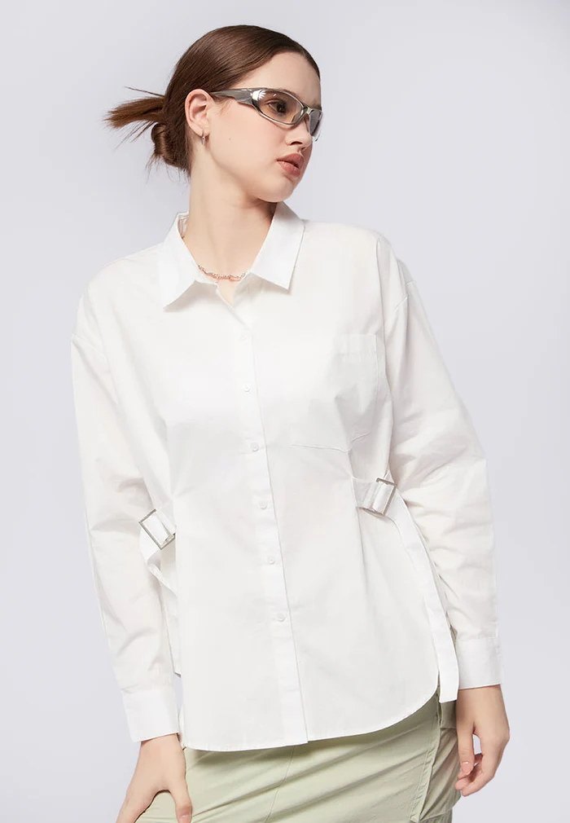
ORDER COSTING FORM

 | STYLE : | I-BLWFOV126E670 |  | WASHING TYPE :
 | GARMENT COLOR : | DARK BROWN | black | GARMENT DESC : | BLOUSE LONGSLEEVE
 | QTY ORDER : |  | PCS | FABRIC COMPOSITION | 100%COTTON

 | BRANDS : | COLOR BOX

No. | PRODUCT ITEMS |  |  | DESCRIPTION /CODE/COLOR | CONSP./pc garment |  | MATERIAL PRICE |  |  |  |  | Garment Cost/unit | % Allow. based on qty order | TOTAL Garment Cost/pc
 |  |  |  |  |  |  | pc/ unit | USD/ IDR | Original Price in unit | Local/ Import | Price/pc + Taxes
 | FABRICS :
1 | COTTON 40'S |  |  | DARK BROWN | 1.37 | Yards | 1 | IDR | 24,600.00 | Local | - | IDR 33,652.80 | 3% | IDR 34,662.38
2 |  |  |  |  | - | Yards | 1 | IDR | 0 | Local | - | IDR - | 3% | IDR -
3
4
 |  |  |  |  |  |  |  |  |  |  |  |  | TOTAL = | IDR 34,662.38
1 | Benang |  |  |  | 1.00 | Pcs | 1 | IDR | 1,000 | Local | 1,000.00 | IDR 1,000.00 | 3% | IDR 1,030.00
2 | 16L POLYBUTTON (DIAMETER 1 CM) |  |  |  | 9.00 | Pcs | 1 | IDR | 104 | Local | 104.00 | IDR 936.00 | 3% | IDR 964.08
3 | BUCKLE 4CM |  |  | shoppe | 2.00 | PCS | 1 | IDR | 2,500 | Local | 2,500.00 | IDR 5,000.00 | 3% | IDR 5,150.00
4 | INTERLINING |  |  |  | 0.08 | Pcs | 1 | IDR | 15,000 | Local | 15,000.00 | IDR 1,200.00 | 3% | IDR 1,236.00
5 |  |  |  |  |  | Pcs | 0 | IDR |  | Local |  |  | 0%
6 |  |  |  |  |  | Pcs | 0 | IDR | - | Local |  |  | 0%
 |  |  |  |  |  |  | 0 |  |  |  |  |  | TOTAL = | IDR 8,380.08
1 | Small / Boat Label |  |  |  | 1.00 | Pcs | 12 | IDR | Rp1,500 | Local | Rp325 | IDR 325.00 | 3% | IDR 334.75
2 | care label |  |  |  | 1.00 | Pcs | 12 | IDR | Rp600 | Local | Rp130 | IDR 130.00 | 3% | IDR 133.90
3 | mini art label |  |  |  | 1.00 | Pcs | 1 | IDR | Rp500 | Local | Rp110 | IDR 110.00 | 3% | IDR 113.30
4 | Hangtag |  |  |  | 1.00 | Pcs | 1 | IDR | Rp220 | Local | Rp220 | IDR 220.00 | 3% | IDR 226.60
5 | Polybag |  |  |  | 1.00 | Pcs | 1 | IDR | Rp250 | Local | Rp250 | IDR 250.00 | 3% | IDR 257.50
6 | Tag Pin / Lock Pin |  |  |  | 1.00 | Pcs | 1 | IDR | Rp25 | Local | Rp17 | IDR 17.00 | 3% | IDR 17.51
7 | Carton Box |  |  |  | 1.00 | Pcs | 1 | IDR | Rp650 | Local | Rp380 | IDR 380.00 | 3% | IDR 391.40
8 | HU Label & lakban |  |  |  | 1.00 | Pcs | 1 | IDR | Rp750 | Local | Rp300 | IDR 300.00 | 3% | IDR 309.00
 |  |  |  |  |  |  |  |  |  |  |  |  | 0%
 |  |  |  |  |  |  |  |  |  |  |  |  | TOTAL = | IDR 1,783.96
1 | EMBRO |  |  |  | 1 | Pcs | 1 | IDR | 0.00 | Local | - | IDR - | 0% | IDR -
2 | PRINTING |  |  |  | 1 | Pcs | 1 | IDR | 0.00 | Local | - | IDR - | 0% | IDR -
3 | WASHING | 0 |  |  | 0 | Pcs | 1 | IDR | 0.00 | Local | - | IDR - | 0% | IDR -
 |  |  |  |  |  |  |  |  |  |  |  |  | TOTAL = | IDR -
 | CM COST |  |  |  | 1 | Pcs | 1 | IDR | 0.00 | Local | 21,000.00 | IDR 21,000.00 | 0% | IDR 21,000.00
 | OVERHEAD |  |  |  | 1 | Pcs | 1 | IDR | 0.00 | Local | 2,000.00 | IDR 2,000.00 | 0% | IDR 2,000.00
 |  |  |  |  |  |  |  |  |  |  |  |  | TOTAL = | IDR 23,000.00
 |  |  |  |  |  |  |  |  |  |  |  |  | TOTAL GARMENT COST/PC = | IDR 67,826.42
 |  |  |  |  |  |  |  |  |  |  |  | MARGIN | 5% | IDR 3,391.32
 |  | panjang 15-16 yard kewalram |  |  |  |  |  |  |  |  |  | GRAND TOTAL COGS |  | IDR 71,217.75
 |  |  |  |  |  |  |  |  |  |  |  |  |  | 71000

