8-DDDSUC126G068
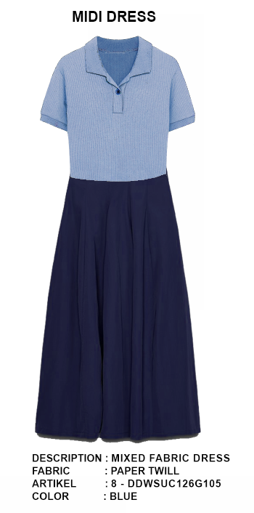
ORDER COSTING FORM

 | STYLE : | 8-DDDSUC126G068 |  | WASHING TYPE :
 | GARMENT COLOR : | BLUE |  | GARMENT DESC : | MIDI DRESS
 | QTY ORDER : |  | PCS | FABRIC COMPOSITION | 97%COTTON 3%SPANDEX, CW42", 270 GSM

 | BRANDS : | Et Cetera

 |  |  |  |  | marker opt. 1 bottom
No. | PRODUCT ITEMS |  |  | DESCRIPTION /CODE/COLOR | CONSP./pc garment |  | MATERIAL PRICE |  |  |  |  | Garment Cost/unit | % Allow. based on qty order | TOTAL Garment Cost/pc
 |  |  |  |  |  |  | pc/ unit | USD/ IDR | Original Price in unit | Local/ Import
 | FABRICS :
1 | 97%COTTON 3%SPANDEX, CW42", 270 GSM - RIB 2X1, NIRWANA |  |  | ecru | 0.18 | KGS | 1 | IDR | 139,150 | Local | 139,150.00 | IDR 25,047.00 | 3% | IDR 25,798.41
2 | PAPER TWILL 100% Cotton,140*88/30x30, 57/8", 180 gsm |  |  | NAVY | 3.07 | YARD | 1 | IDR | 35,586 | Local | 35,585.59 | IDR 109,247.75 | 3% | IDR 112,525.18
3
4
 |  |  |  |  |  |  |  |  |  |  |  |  | TOTAL = | IDR 138,323.59
1 | Benang |  |  |  | 1.00 | Pcs | 1 | IDR | 1,500.00 | Local | 1,500.00 | IDR 1,500.00 | 3% | IDR 1,545.00
2 | K.B 874-28L CHARISMA FANCY BUTTON |  |  | SILVER | 2.00 | Pcs | 1 | IDR | 2,300.00 | Local | 2,300.00 | IDR 4,600.00 | 3% | IDR 4,738.00
3 | INTERLINING |  |  |  | 0.06 | PCS | 0 | IDR | 15000 | Local | 15,000.00 | IDR 900.00 | 0% | IDR 900.00
4 |  |  |  |  |  | MTR | 0 | IDR | 0 | Local | - |  | 0%
5 |  |  |  |  | - | Pcs | 0 | IDR | 0.00 | Local | - | IDR - | 0% | IDR -
6 |  |  |  |  |  | Pcs | 0 | IDR | - | Local |  |  | 0%
 |  |  |  |  |  |  | 0 |  |  |  |  |  | TOTAL = | IDR 7,183.00
1 | Small / Boat Label |  |  |  | 1.00 | Pcs | 12 | IDR | Rp1,500 | Local | Rp310 | IDR 310.00 | 3% | IDR 319.30
2 | care label |  |  |  | 1.00 | Pcs | 12 | IDR | Rp600 | Local | Rp130 | IDR 130.00 | 3% | IDR 133.90
3 | mini art label |  |  |  | 1.00 | Pcs | 1 | IDR | Rp500 | Local | Rp110 | IDR 110.00 | 3% | IDR 113.30
4 | Hangtag |  |  |  | 1.00 | Pcs | 1 | IDR | Rp220 | Local | Rp220 | IDR 220.00 | 3% | IDR 226.60
5 | Polybag |  |  |  | 1.00 | Pcs | 1 | IDR | Rp250 | Local | Rp250 | IDR 250.00 | 3% | IDR 257.50
6 | Tag Pin / Lock Pin |  |  |  | 1.00 | Pcs | 1 | IDR | Rp25 | Local | Rp17 | IDR 17.00 | 3% | IDR 17.51
7 | Carton Box |  |  |  | 1.00 | Pcs | 1 | IDR | Rp650 | Local | Rp380 | IDR 380.00 | 3% | IDR 391.40
8 | HU Label & lakban |  |  |  | 1.00 | Pcs | 1 | IDR | Rp750 | Local | Rp300 | IDR 300.00 | 3% | IDR 309.00
 |  |  |  |  |  |  |  |  |  |  |  |  | 0%
 |  |  |  |  |  |  |  |  |  |  |  |  | TOTAL = | IDR 1,768.51
1 | EMBRO |  |  |  | 1 | Pcs | 1 | IDR | 0.00 | Local | - | IDR - | 0% | IDR -
2 | PRINTING |  |  |  | 1 | Pcs | 1 | IDR | 0.00 | Local | - | IDR - | 0% | IDR -
3 | WASHING | 0 |  |  | 1 | Pcs | 1 | IDR | 0.00 | Local | - | IDR - | 0% | IDR -
 |  |  |  |  |  |  |  |  |  |  |  |  | TOTAL = | IDR -
 | CM COST |  |  |  | 1 | Pcs | 1 | IDR | 0.00 | Local | 28,000.00 | IDR 28,000.00 | 0% | IDR 28,000.00
 | OVERHEAD |  |  |  | 1 | Pcs | 1 | IDR | 0.00 | Local | 2,000.00 | IDR 2,000.00 | 0% | IDR 2,000.00
 |  |  |  |  |  |  |  |  |  |  |  |  | TOTAL = | IDR 30,000.00
 |  |  |  |  |  |  |  | color | BLUE |  |  |  | TOTAL GARMENT COST/PC = | IDR 177,275.10
 |  |  |  |  |  |  |  |  |  |  |  | MARGIN | 5% | IDR 8,863.76
 |  |  |  |  |  |  |  |  |  |  |  | GRAND TOTAL COGS |  | IDR 186,138.86
 |  |  |  |  |  |  |  | BP | 182200 |  |  |  |  | 186100

