8 - SDWSSC126F027
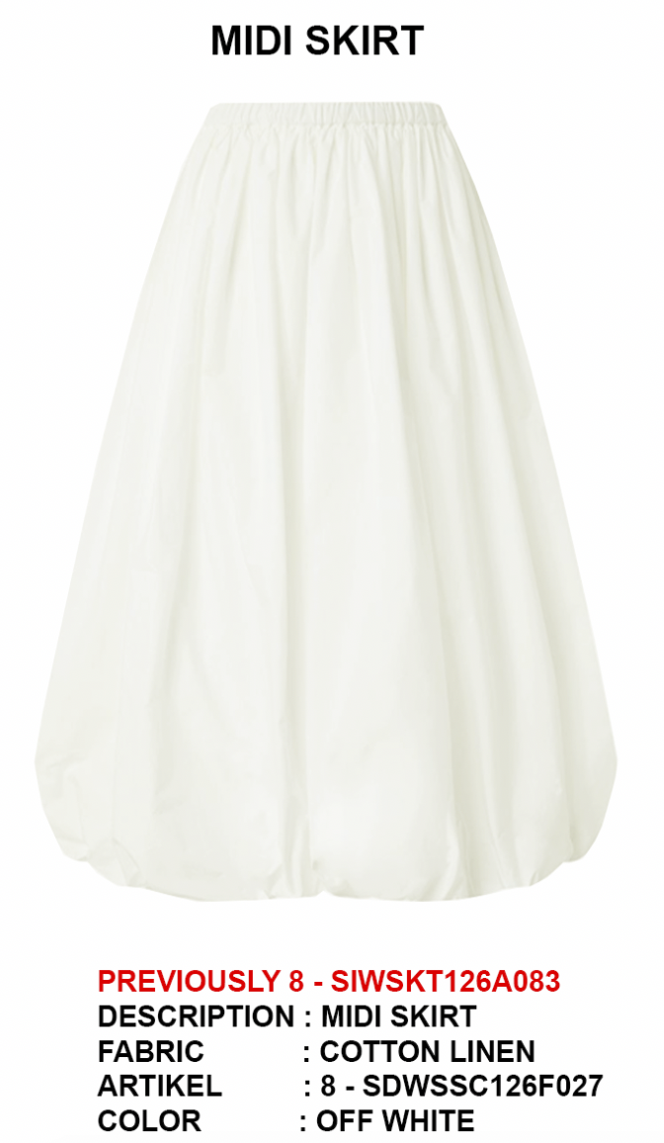
ORDER COSTING FORM

 | STYLE : | 8 - SDWSSC126F027 |  | WASHING TYPE :
 | GARMENT COLOR : | OFFWHITE |  | GARMENT DESC : | MIDI SKIRT
 | QTY ORDER : | 700 | PCS | FABRIC COMPOSITION | 73% COTTON 27% LINEN 54/55" 145 GSMTON LINEN

 | BRANDS : | Et Cetera

 |  | 1586 pcs
No. | PRODUCT ITEMS |  |  | DESCRIPTION /CODE/COLOR | CONSP./pc garment |  | MATERIAL PRICE |  |  |  |  | Garment Cost/unit | % Allow. based on qty order | TOTAL Garment Cost/pc
 |  |  |  |  |  |  | pc/ unit | USD/ IDR | Original Price in unit | Local/ Import | Price/pc + Taxes
 | FABRICS :
1 | DNT 3586 73% COTTON 27% LINEN 54/55" 145 GSM ex b020 |  |  | offwhite | 2.17 | Yards | 1 | IDR | 45,390 | Local | 51,000.00 | IDR 98,450.91 | 3% | IDR 101,404.44
2 | LINING MICROTEX |  |  |  | 1.85 | Yards | 1 | IDR | 9500 | Local | 9,500.00 | IDR 17,575.00 | 3% | IDR 18,102.25
3
4
 |  |  |  |  |  |  |  |  |  |  |  |  | TOTAL = | IDR 119,506.69
1 | Benang |  |  |  | 1.00 | Pcs | 1 | IDR | 1,000.00 | Local | 1,000.00 | IDR 1,000.00 | 3% | IDR 1,030.00
2 | INTERLINING |  |  |  | 0.13 | YARD | 1 | IDR | 15000 | Local | 15,000.00 | IDR 1,875.00 | 3% | IDR 1,931.25
3 | ELASTIC BAND ON WAISTBAND UK 3,5CM |  |  |  | 0.65 | YDS | 1 | IDR | 2000 | Local | 2,000.00 | IDR 1,300.00 | 3% | IDR 1,339.00
4 | ELASTIC BAND 0.5CM ON BUBLE HEM |  |  |  | 1.10 | YDS | 1 | IDR | 1,000.00 | Local | 1,000.00 | IDR 1,100.00 | 3% | IDR 1,133.00
5 |  |  |  |  |  | Pcs | 0 | IDR | 0.00 | Local | - |  | 0%
6 |  |  |  |  |  | Pcs | 0 | IDR | - | Local |  |  | 0%
 |  |  |  |  |  |  | 0 |  |  |  |  |  | TOTAL = | IDR 5,433.25
1 | Small / Boat Label |  |  |  | 1.00 | Pcs | 12 | IDR | Rp1,500 | Local | Rp310 | IDR 310.00 | 3% | IDR 319.30
2 | care label |  |  |  | 1.00 | Pcs | 12 | IDR | Rp600 | Local | Rp130 | IDR 130.00 | 3% | IDR 133.90
3 | mini art label |  |  |  | 1.00 | Pcs | 1 | IDR | Rp500 | Local | Rp110 | IDR 110.00 | 3% | IDR 113.30
4 | Hangtag |  |  |  | 1.00 | Pcs | 1 | IDR | Rp220 | Local | Rp220 | IDR 220.00 | 3% | IDR 226.60
5 | Polybag |  |  |  | 1.00 | Pcs | 1 | IDR | Rp250 | Local | Rp250 | IDR 250.00 | 3% | IDR 257.50
6 | Tag Pin / Lock Pin |  |  |  | 1.00 | Pcs | 1 | IDR | Rp25 | Local | Rp17 | IDR 17.00 | 3% | IDR 17.51
7 | Carton Box |  |  |  | 1.00 | Pcs | 1 | IDR | Rp650 | Local | Rp380 | IDR 380.00 | 3% | IDR 391.40
8 | HU Label & lakban |  |  |  | 1.00 | Pcs | 1 | IDR | Rp750 | Local | Rp300 | IDR 300.00 | 3% | IDR 309.00
 |  |  |  |  |  |  |  |  |  |  |  |  | 0%
 |  |  |  |  |  |  |  |  |  |  |  |  | TOTAL = | IDR 1,768.51
1 | EMBRO |  |  |  | 1 | Pcs | 1 | IDR | 0.00 | Local | - | IDR - | 0% | IDR -
2 | PRINTING |  |  |  | 1 | Pcs | 1 | IDR | 0.00 | Local | - | IDR - | 0% | IDR -
3 | WASHING | 0 |  |  | 0 | Pcs | 1 | IDR | 0.00 | Local | - | IDR - | 0% | IDR -
 |  |  |  |  |  |  |  |  |  |  |  |  | TOTAL = | IDR -
 | CM COST |  |  |  | 1 | Pcs | 1 | IDR | 0.00 | Local | 22,000.00 | IDR 22,000.00 | 0% | IDR 22,000.00
 | OVERHEAD |  |  |  | 1 | Pcs | 1 | IDR | 0.00 | Local | 2,000.00 | IDR 2,000.00 | 0% | IDR 2,000.00
 |  |  |  |  |  |  |  |  |  |  |  |  | TOTAL = | IDR 24,000.00
 |  |  |  |  |  |  |  |  |  |  |  |  | TOTAL GARMENT COST/PC = | IDR 150,708.45
 |  |  |  |  |  |  |  |  |  |  |  | MARGIN | 5% | IDR 7,535.42
 |  |  |  |  |  |  |  |  |  |  |  | GRAND TOTAL COGS |  | IDR 158,243.87
 |  |  |  |  |  |  |  |  |  |  |  |  |  | 158250

