8 - SDWKSC126F086
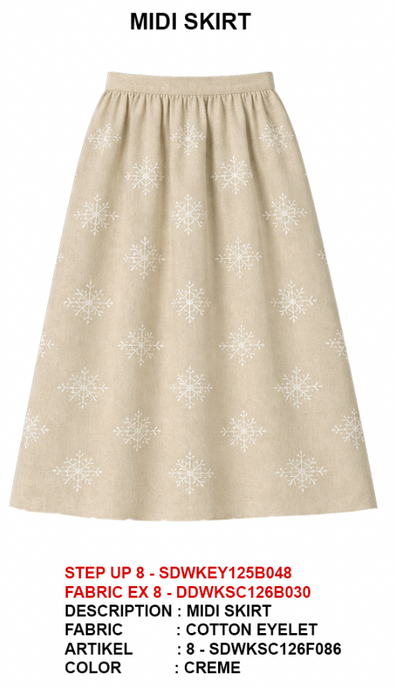
ORDER COSTING FORM

 | STYLE : | 8 - SDWKSC126F086 |  | WASHING TYPE :
 | GARMENT COLOR : | CRÈME |  | GARMENT DESC : | SKIRT
 | QTY ORDER : | 900 | PCS | FABRIC COMPOSITION | COTTON EMROIDERY

 | BRANDS : | Et Cetera

 |  |  |  | 3290 YDS SISA UNTUK F009
No. | PRODUCT ITEMS |  |  | DESCRIPTION /CODE/COLOR | CONSP./pc garment |  | MATERIAL PRICE |  |  |  |  | Garment Cost/unit | % Allow. based on qty order | TOTAL Garment Cost/pc
 |  |  |  |  |  |  | pc/ unit | USD/ IDR | Original Price in unit | Local/ Import | Price/pc + Taxes
 | FABRICS :
1 | CDD10085A3 COTTON EMROIDERY B030 |  |  | CRÈME | 2.16 | Yards | 1 | IDR | 54,500 | Local | 60,495.00 | IDR 117,829.00 | 3% | IDR 121,363.87
2 | POCKTING MICROTEX |  |  | CRÈME | 0.20 | Yards | 1 | IDR | 9,500 | Local | 10,545.00 | IDR 1,862.00 | 3% | IDR 1,917.86
3
4
 |  |  |  |  |  |  |  |  |  |  |  |  | TOTAL = | IDR 123,281.73
1 | Benang |  |  |  | 1.00 | Pcs | 1 | IDR | 1,000.00 | Local | 1,000.00 | IDR 1,000.00 | 3% | IDR 1,030.00
2 | ELASTIC 4CM |  |  | DTM | 0.60 | PCS | 1 | IDR | 2,000.00 | Local | 2,000.00 | IDR 1,200.00 | 3% | IDR 1,236.00
3 | INTERLINING |  |  |  | 0.06 | Yards | 0 | IDR | 15000 | Local | 15,000.00 | IDR 900.00 | 3% | IDR 927.00
4 |  |  |  |  |  | MTR | 0 | IDR | 0 | Local | - |  | 0%
5 |  |  |  |  | - | Pcs | 0 | IDR | 0.00 | Local | - | IDR - | 0% | IDR -
6 |  |  |  |  |  | Pcs | 0 | IDR | - | Local |  |  | 0%
 |  |  |  |  |  |  | 0 |  |  |  |  |  | TOTAL = | IDR 3,193.00
1 | Small / Boat Label |  |  |  | 1.00 | Pcs | 12 | IDR | Rp1,500 | Local | Rp310 | IDR 310.00 | 3% | IDR 319.30
2 | care label |  |  |  | 1.00 | Pcs | 12 | IDR | Rp600 | Local | Rp130 | IDR 130.00 | 3% | IDR 133.90
3 | mini art label |  |  |  | 1.00 | Pcs | 1 | IDR | Rp500 | Local | Rp110 | IDR 110.00 | 3% | IDR 113.30
4 | Hangtag |  |  |  | 1.00 | Pcs | 1 | IDR | Rp220 | Local | Rp220 | IDR 220.00 | 3% | IDR 226.60
5 | Polybag |  |  |  | 1.00 | Pcs | 1 | IDR | Rp250 | Local | Rp250 | IDR 250.00 | 3% | IDR 257.50
6 | Tag Pin / Lock Pin |  |  |  | 1.00 | Pcs | 1 | IDR | Rp25 | Local | Rp17 | IDR 17.00 | 3% | IDR 17.51
7 | Carton Box |  |  |  | 1.00 | Pcs | 1 | IDR | Rp650 | Local | Rp380 | IDR 380.00 | 3% | IDR 391.40
8 | HU Label & lakban |  |  |  | 1.00 | Pcs | 1 | IDR | Rp750 | Local | Rp300 | IDR 300.00 | 3% | IDR 309.00
 |  |  |  |  |  |  |  |  |  |  |  |  | 0%
 |  |  |  |  |  |  |  |  |  |  |  |  | TOTAL = | IDR 1,768.51
1 | EMBRO |  |  |  | 1 | Pcs | 1 | IDR | 0.00 | Local | - | IDR - | 0% | IDR -
2 | PRINTING |  |  |  | 1 | Pcs | 1 | IDR | 0.00 | Local | - | IDR - | 0% | IDR -
3 | WASHING | 0 |  |  | 0 | Pcs | 1 | IDR | 0.00 | Local | - | IDR - | 0% | IDR -
 |  |  |  |  |  |  |  |  |  |  |  |  | TOTAL = | IDR -
 | CM COST |  |  |  | 1 | Pcs | 1 | IDR | 0.00 | Local | 22,000.00 | IDR 22,000.00 | 0% | IDR 22,000.00
 | OVERHEAD |  |  |  | 1 | Pcs | 1 | IDR | 0.00 | Local | 2,000.00 | IDR 2,000.00 | 0% | IDR 2,000.00
 |  |  |  |  |  |  |  |  |  |  |  |  | TOTAL = | IDR 24,000.00
 |  |  |  |  |  |  |  |  |  |  |  |  | TOTAL GARMENT COST/PC = | IDR 152,243.24
 |  |  |  |  |  |  |  |  |  |  |  | MARGIN | 5% | IDR 7,612.16
 |  |  |  |  |  |  |  |  |  |  |  | GRAND TOTAL COGS |  | IDR 159,855.40
 |  |  |  |  |  |  |  |  |  |  |  |  |  | 159500

