8 - LPWKUC126E082
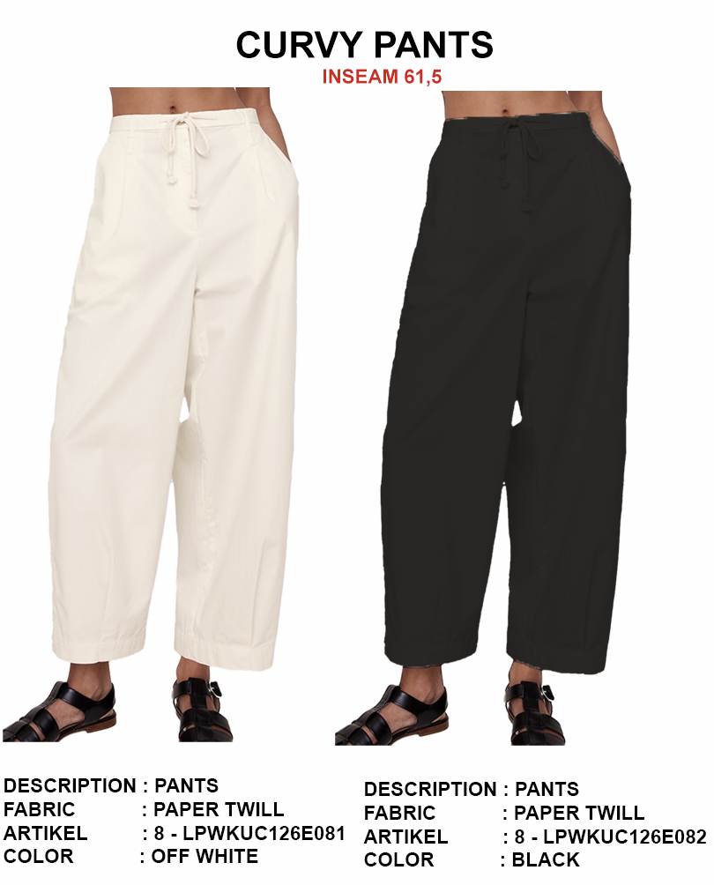
ORDER COSTING FORM

 | STYLE : | 8 - LPWKUC126E082 |  | WASHING TYPE :
 | GARMENT COLOR : | BLACK |  | GARMENT DESC : | LONG PANT
 | QTY ORDER : |  | PCS | FABRIC COMPOSITION | PAPER TWILL

 | BRANDS : | Et cetera

No. | PRODUCT ITEMS |  |  | DESCRIPTION /CODE/COLOR | CONSP./pc garment |  | MATERIAL PRICE |  |  |  |  | Garment Cost/unit | % Allow. based on qty order | TOTAL Garment Cost/pc
 |  |  |  |  |  |  | pc/ unit | USD/ IDR | Original Price in unit | Local/ Import | Price/pc + Taxes
 | FABRICS :
1 | PAPER TWILL 57FABRICS : - 58" |  |  | OFWHITE | 1.34 | Yards | 1 | IDR | 35155 | Local | 39,500.00 | IDR 47,206.13 | 3% | IDR 48,622.32
2 | MICRO TECH POCKETING |  |  | OFWHITE | 0.26 | Yards | 1 | IDR | 9500 | Local | 9,500.00 | IDR 2,460.50 | 3% | IDR 2,534.32
3
4
 |  |  |  |  |  |  |  |  |  |  |  |  | TOTAL = | IDR 51,156.63
1 | BENANG |  |  | DTM | 1.00 | Pcs | 1 | IDR | 1,000.00 | Local | 1,000.00 | IDR 1,000.00 | 3% | IDR 1,030.00
2 | DRAWSTRING ( TALI SUMBU KATUN ) |  |  | BTM | 1.00 | Pcs | 1 | IDR | 1,500.00 | Local | 1,500.00 | IDR 1,500.00 | 3% | IDR 1,545.00
3 | ZIPPER WITH COIL ZIP YKK OPENING 14CM |  |  | DTM | 1.00 | PCS | 1 | IDR | 2000 | Local | 2,000.00 | IDR 2,000.00 | 3% | IDR 2,060.00
2 | POLY BUTTON 28L/4HL |  |  | DTM | 2.00 | Pcs | 1 | IDR | 250.00 | Local | 250.00 | IDR 500.00 | 3% | IDR 515.00
4 | interlining |  |  |  | 0.02 | MTR | 0 | IDR | 15000 | Local | 15,000.00 | IDR 300.00 | 3% | IDR 309.00
5 |  |  |  |  |  | Pcs | 0 | IDR | 0.00 | Local |  |  | 0%
6 |  |  |  |  |  | Pcs | 0 | IDR | - | Local |  |  | 0%
 |  |  |  |  |  |  | 0 |  |  |  | #DIV/0! |  | TOTAL = | IDR 5,459.00
1 | Small / Boat Label |  |  |  | 1.00 | Pcs | 12 | IDR | Rp1,500 | Local | Rp310 | IDR 310.00 | 3% | IDR 319.30
2 | care label |  |  |  | 1.00 | Pcs | 12 | IDR | Rp600 | Local | Rp130 | IDR 130.00 | 3% | IDR 133.90
3 | mini art label |  |  |  | 1.00 | Pcs | 1 | IDR | Rp500 | Local | Rp110 | IDR 110.00 | 3% | IDR 113.30
4 | Hangtag |  |  |  | 1.00 | Pcs | 1 | IDR | Rp220 | Local | Rp220 | IDR 220.00 | 3% | IDR 226.60
5 | Polybag |  |  |  | 1.00 | Pcs | 1 | IDR | Rp250 | Local | Rp250 | IDR 250.00 | 3% | IDR 257.50
6 | Tag Pin / Lock Pin |  |  |  | 1.00 | Pcs | 1 | IDR | Rp25 | Local | Rp17 | IDR 17.00 | 3% | IDR 17.51
7 | Carton Box |  |  |  | 1.00 | Pcs | 1 | IDR | Rp650 | Local | Rp380 | IDR 380.00 | 3% | IDR 391.40
8 | HU Label & lakban |  |  |  | 1.00 | Pcs | 1 | IDR | Rp750 | Local | Rp300 | IDR 300.00 | 3% | IDR 309.00
 |  |  |  |  |  |  |  |  |  |  |  |  | 0%
 |  |  |  |  |  |  |  |  |  |  |  |  | 0%
 |  |  |  |  |  |  |  |  |  |  |  |  | TOTAL = | IDR 1,768.51
1 | EMBRO (EYELET EMBRO AT WAIST BAND ) |  |  |  | 2 | Pcs | 1 | IDR | 1,000.00 | Local | 1,000.00 | IDR 2,000.00 | 0% | IDR 2,000.00
2 | PRINTING |  |  |  | 1 | Pcs | 1 | IDR | 0.00 | Local | - | IDR - | 0% | IDR -
3 | WASHING | 0 |  |  | 1 | Pcs | 1 | IDR | 0.00 | Local | - | IDR - | 0% | IDR -
 |  |  |  |  |  |  |  |  |  |  |  |  | TOTAL = | IDR 2,000.00
 | CM COST |  |  |  | 1 | Pcs | 1 | IDR | 0.00 | Local | 26,000.00 | IDR 26,000.00 | 0% | IDR 26,000.00
 | OVERHEAD |  |  |  | 1 | Pcs | 1 | IDR | 0.00 | Local | 2,000.00 | IDR 2,000.00 | 0% | IDR 2,000.00
 |  |  |  |  |  |  |  |  |  |  |  |  | TOTAL = | IDR 28,000.00
 |  |  |  |  |  |  |  |  |  |  |  |  | TOTAL GARMENT COST/PC = | IDR 88,384.14
 |  |  |  |  |  |  |  |  |  |  |  | MARGIN | 5% | IDR 4,419.21
 |  |  |  |  |  |  |  |  |  |  |  | GRAND TOTAL COGS |  | IDR 92,803.35
 |  |  |  |  |  |  |  |  |  |  |  |  |  | 93000

