8 - DIWKSC126G084
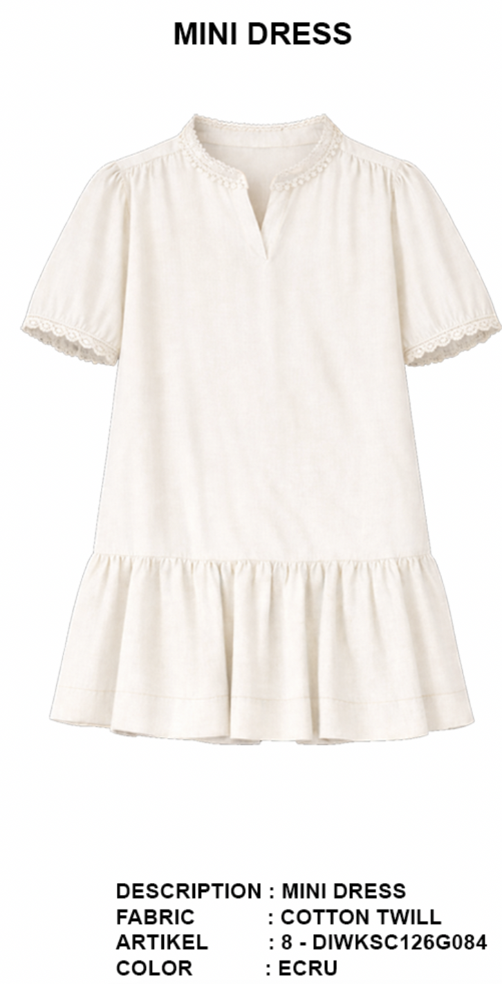
ORDER COSTING FORM

 | STYLE : | 8 - DIWKSC126G084 |  | WASHING TYPE :
 | GARMENT COLOR : | ECRU |  | GARMENT DESC : | MINI DRESS
 | QTY ORDER : |  | PCS | FABRIC COMPOSITION | 98.2% CTN, 1.8% SPAN, CUT 54/6", 8.25 Oz

 | BRANDS : | Et Cetera

No. | PRODUCT ITEMS |  |  | DESCRIPTION /CODE/COLOR | CONSP./pc garment |  | MATERIAL PRICE |  |  |  |  | Garment Cost/unit | % Allow. based on qty order | TOTAL Garment Cost/pc
 |  |  |  |  |  |  | pc/ unit | USD/ IDR | Original Price in unit | Local/ Import | Price/pc + Taxes
 | FABRICS :
1 | KASEY WS REACTIVE 98.2% CTN, 1.8% SPAN, CUT 54/6", 8.25 Oz |  |  | ECRU | 1.58 | YDS | 1 | IDR | 41,441 | Local | 41,441.44 | IDR 65,477.48 | 3% | IDR 67,441.80
2 | INTERLINING - 36 INCH |  |  |  | 0.08 | YDS | 0 | IDR | 15000 | Local | 15,000.00 | IDR 1,200.00 | 3% | IDR 1,236.00
3
4
 |  |  |  |  |  |  |  |  |  |  |  |  | TOTAL = | IDR 68,677.80
1 | Benang |  |  |  | 1.00 | Pcs | 1 | IDR | 1,000.00 | Local | 1,000.00 | IDR 1,000.00 | 3% | IDR 1,030.00
2 | RENDA A 0055/P (2 CM) CHARISMA 2CM |  |  | DYM | 0.50 | yard | 1 | IDR | 2,000.00 | Local | 2,000.00 | IDR 1,000.00 | 3% | IDR 1,030.00
3 |  |  |  |  |  |  |  |  |  |  |  |  | 0%
4 |  |  |  |  |  | MTR | 0 | IDR | 0 | Local | - |  | 0%
5 |  |  |  |  | - | Pcs | 0 | IDR | 0.00 | Local | - | IDR - | 0% | IDR -
6 |  |  |  |  |  | Pcs | 0 | IDR | - | Local |  |  | 0%
 |  |  |  |  |  |  | 0 |  |  |  |  |  | TOTAL = | IDR 2,060.00
1 | Small / Boat Label |  |  |  | 1.00 | Pcs | 12 | IDR | Rp1,500 | Local | Rp310 | IDR 310.00 | 3% | IDR 319.30
2 | care label |  |  |  | 1.00 | Pcs | 12 | IDR | Rp600 | Local | Rp130 | IDR 130.00 | 3% | IDR 133.90
3 | mini art label |  |  |  | 1.00 | Pcs | 1 | IDR | Rp500 | Local | Rp110 | IDR 110.00 | 3% | IDR 113.30
4 | Hangtag |  |  |  | 1.00 | Pcs | 1 | IDR | Rp220 | Local | Rp220 | IDR 220.00 | 3% | IDR 226.60
5 | Polybag |  |  |  | 1.00 | Pcs | 1 | IDR | Rp250 | Local | Rp250 | IDR 250.00 | 3% | IDR 257.50
6 | Tag Pin / Lock Pin |  |  |  | 1.00 | Pcs | 1 | IDR | Rp25 | Local | Rp17 | IDR 17.00 | 3% | IDR 17.51
7 | Carton Box |  |  |  | 1.00 | Pcs | 1 | IDR | Rp650 | Local | Rp380 | IDR 380.00 | 3% | IDR 391.40
8 | HU Label & lakban |  |  |  | 1.00 | Pcs | 1 | IDR | Rp750 | Local | Rp300 | IDR 300.00 | 3% | IDR 309.00
 |  |  |  |  |  |  |  |  |  |  |  |  | 0%
 |  |  |  |  |  |  |  |  |  |  |  |  | TOTAL = | IDR 1,768.51
1 | EMBRO |  |  |  | 1 | Pcs | 1 | IDR | 0.00 | Local | - | IDR - | 0% | IDR -
2 | PRINTING |  |  |  | 1 | Pcs | 1 | IDR | 0.00 | Local | - | IDR - | 0% | IDR -
3 | WASHING | 0 |  |  | 1 | Pcs | 1 | IDR | 0.00 | Local | - | IDR - | 0% | IDR -
 |  |  |  |  |  |  |  |  |  |  |  |  | TOTAL = | IDR -
 | CM COST |  |  |  | 1 | Pcs | 1 | IDR | 0.00 | Local | 24,000.00 | IDR 24,000.00 | 0% | IDR 24,000.00
 | OVERHEAD |  |  |  | 1 | Pcs | 1 | IDR | 0.00 | Local | 2,000.00 | IDR 2,000.00 | 0% | IDR 2,000.00
 |  |  |  |  |  |  |  |  |  |  |  |  | TOTAL = | IDR 26,000.00
 |  |  |  |  |  |  |  |  |  |  |  |  | TOTAL GARMENT COST/PC = | IDR 98,506.31
 |  |  |  |  |  | color | ECRU |  |  |  |  | MARGIN | 5% | IDR 4,925.32
 |  |  |  |  |  |  |  |  |  |  |  | GRAND TOTAL COGS |  | IDR 103,431.63
 |  |  |  |  |  |  |  |  |  |  |  |  |  | 103400
 |  |  |  |  |  | BP | 103400

