8 - DIWKSC126E023
ORDER COSTING FORM
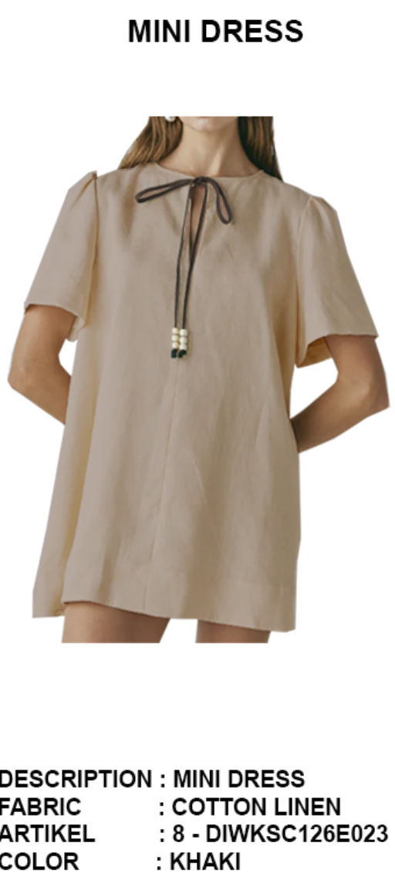
 | STYLE : | 8 - DIWKSC126E023 |  | WASHING TYPE :
 | GARMENT COLOR : | DARK BROWN |  | GARMENT DESC : | MII DRESS
 | QTY ORDER : | 800 | PCS | FABRIC COMPOSITION | 65 TENCEL 35 RAYON HT25084

 | BRANDS : | Et cetera

No. | PRODUCT ITEMS |  |  | DESCRIPTION /CODE/COLOR | CONSP./pc garment |  | MATERIAL PRICE |  |  |  |  | Garment Cost/unit | % Allow. based on qty order | TOTAL Garment Cost/pc
 |  |  |  |  |  |  | pc/ unit | USD/ IDR | Original Price in unit | Local/ Import | Price/pc + Taxes
 | FABRICS :
1 | 65 TENCEL 35 RAYON HT25084 |  |  | DARK BROWN | 1.16 | meter | 1 | IDR | 64,014 | Local | 71,055.00 | IDR 74,256.24 | 3% | IDR 76,483.93
2 | 65 TENCEL 35 RAYON HT25084 |  |  | DARK BROWN | 0.08 | meter | 1 | IDR | 64,014 | Local | 71,055.00 | IDR 5,249.15 | 3% | IDR 5,406.62
3 | POCKETING MICROTEX |  |  | DARK BROWN | 0.22 | yard | 1 | IDR | 9,500 | Local | 9,500.00 | IDR 2,090.00 | 3% | IDR 2,152.70
4
 |  |  |  |  |  |  |  |  |  |  |  |  | TOTAL = | IDR 84,043.25
1 | BENANG |  |  | DTM | 1.00 | Pcs | 1 | IDR | 1,000.00 | Local | 1,000.00 | IDR 1,000.00 | 3% | IDR 1,030.00
2 | WOODEN BEAD |  |  | BROWN | 6.00 | Pcs | 1 | IDR | 1,000.00 | Local | 1,000.00 | IDR 6,000.00 | 3% | IDR 6,180.00
3 |  |  |  |  | 0.00 | PCS | 1 | IDR | 0 | Local | - | IDR - | 3% | IDR -
2 |  |  |  |  | - | Pcs | 1 | IDR | 0.00 | Local | - | IDR - | 5% | IDR -
4 |  |  |  |  | 0.00 | MTR | 0 | IDR |  | Local |  | IDR - | 0% | IDR -
5 |  |  |  |  |  | Pcs | 0 | IDR | 0.00 | Local |  |  | 0%
6 |  |  |  |  |  | Pcs | 0 | IDR | - | Local |  |  | 0%
 |  |  |  |  |  |  | 0 |  |  |  |  |  | TOTAL = | IDR 7,210.00
1 | Small / Boat Label |  |  |  | 1.00 | Pcs | 12 | IDR | Rp1,500 | Local | Rp310 | IDR 310.00 | 3% | IDR 319.30
2 | care label |  |  |  | 1.00 | Pcs | 12 | IDR | Rp600 | Local | Rp130 | IDR 130.00 | 3% | IDR 133.90
3 | mini art label |  |  |  | 1.00 | Pcs | 1 | IDR | Rp500 | Local | Rp110 | IDR 110.00 | 3% | IDR 113.30
4 | Hangtag |  |  |  | 1.00 | Pcs | 1 | IDR | Rp220 | Local | Rp220 | IDR 220.00 | 3% | IDR 226.60
5 | Polybag |  |  |  | 1.00 | Pcs | 1 | IDR | Rp250 | Local | Rp250 | IDR 250.00 | 3% | IDR 257.50
6 | Tag Pin / Lock Pin |  |  |  | 1.00 | Pcs | 1 | IDR | Rp25 | Local | Rp17 | IDR 17.00 | 3% | IDR 17.51
7 | Carton Box |  |  |  | 1.00 | Pcs | 1 | IDR | Rp650 | Local | Rp380 | IDR 380.00 | 3% | IDR 391.40
8 | HU Label & lakban |  |  |  | 1.00 | Pcs | 1 | IDR | Rp750 | Local | Rp300 | IDR 300.00 | 3% | IDR 309.00
 |  |  |  |  |  |  |  |  |  |  |  |  | 0%
 |  |  |  |  |  |  |  |  |  |  |  |  | 0%
 |  |  |  |  |  |  |  |  |  |  |  |  | TOTAL = | IDR 1,768.51
1 | EMBRO |  |  |  | 1 | Pcs | 1 | IDR | 0.00 | Local | - | IDR - | 0% | IDR -
2 | PRINTING |  |  |  | 1 | Pcs | 1 | IDR | 0.00 | Local | - | IDR - | 0% | IDR -
3 | WASHING | 0 |  |  | 1 | Pcs | 1 | IDR | 0.00 | Local | - | IDR - | 0% | IDR -
 |  |  |  |  |  |  |  |  |  |  |  |  | TOTAL = | IDR -
 | CM COST |  |  |  | 1 | Pcs | 1 | IDR | 0.00 | Local | 18,500.00 | IDR 18,500.00 | 0% | IDR 18,500.00
 | OVERHEAD |  |  |  | 1 | Pcs | 1 | IDR | 0.00 | Local | 2,000.00 | IDR 2,000.00 | 0% | IDR 2,000.00
 |  |  |  |  |  |  |  |  |  |  |  |  | TOTAL = | IDR 20,500.00
 |  |  |  |  |  |  |  |  |  |  |  |  | TOTAL GARMENT COST/PC = | IDR 113,521.76
 |  |  |  |  |  |  |  |  |  |  |  | MARGIN | 5% | IDR 5,676.09
 |  |  |  |  |  |  |  |  |  |  |  | GRAND TOTAL COGS |  | IDR 119,197.85
 |  |  |  |  |  |  |  |  |  |  |  |  |  | 119000

