5TTSIB26H052 NAVY
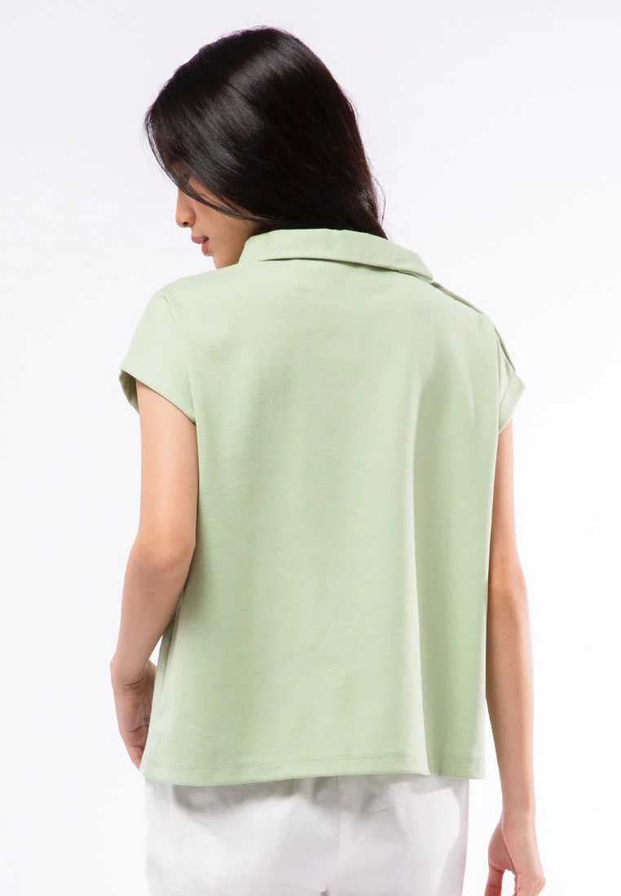
ORDER COSTING FORM

 | STYLE : | 5TTSIB26H052 NAVY / 5-BSKKCA226H062 |  | WASHING TYPE :
 | GARMENT COLOR : | NAVY |  | GARMENT DESC : | SHORT SLEEVE T-SHIRT
 | QTY ORDER : | 2,500 | PCS | FABRIC COMPOSITION | : 95,3% POLYESTER 4,7% SPANDEX,

 | BRANDS : | EXECUTIVE

No. | PRODUCT ITEMS |  |  | DESCRIPTION /CODE/COLOR | CONSP./pc garment |  | MATERIAL PRICE |  |  |  |  | Garment Cost/unit | % Allow. based on qty order | TOTAL Garment Cost/pc
 |  |  |  |  |  |  | pc/ unit | USD/ IDR | Original Price in unit | Local/ Import | Price/pc + Taxes
 | FABRICS :
1 | DN PARAGON 95,3% POLYESTER 4,7% SPANDEX, 335 GSM |  |  | NAVY | 0.33 | KG | 1 | IDR | 91,500.00 | Local | 91,500.00 | IDR 29,737.50 | 0% | IDR 29,737.50
2 |  |  |  |  |  | Yards | 1 | IDR |  | Local | - |  | 0%
3
4
 |  |  |  |  |  |  |  |  |  |  |  |  | TOTAL = | IDR 29,737.50
1 | Benang |  |  |  | 1.00 | Pcs | 1 | IDR | 1,000.00 | Local | 1,000.00 | IDR 1,000.00 | 0% | IDR 1,000.00
2 | HORN BUTTON 26L DOF |  |  |  | 4.00 | Pcs | 1 | IDR | 450.00 | Local | 450.00 | IDR 1,800.00 | 0% | IDR 1,800.00
3 | INTERLINING |  |  |  | 0.10 | Pcs | 1 | IDR | 15000 | Local | 15,000.00 | IDR 1,500.00 | 0% | IDR 1,500.00
4 |  |  |  |  |  | Pcs | 0 | IDR | 0 | Local |  |  | 0%
5 |  |  |  |  |  | Pcs | 0 | IDR | 0.00 | Local |  |  | 0%
6 |  |  |  |  |  | Pcs | 0 | IDR | - | Local |  |  | 0%
 |  |  |  |  |  |  | 0 |  |  |  |  |  | TOTAL = | IDR 4,300.00
1 | Small / Boat Label |  |  |  | 1.00 | Pcs | 12 | IDR | Rp4,300 | Local | 310.00 | IDR 310.00 | 0% | IDR 310.00
2 | care label |  |  |  | 1.00 | Pcs | 12 | IDR | Rp1,750 | Local | 130.00 | IDR 130.00 | 0% | IDR 130.00
3 | mini art label |  |  |  | 1.00 | Pcs | 12 | IDR | Rp375 | Local | 110.00 | IDR 110.00 | 0% | IDR 110.00
4 | Hangtag |  |  |  | 1.00 | Pcs | 1 | IDR | Rp220 | Local | 231.00 | IDR 231.00 | 0% | IDR 231.00
5 | Polybag |  |  |  | 1.00 | Pcs | 1 | IDR | Rp250 | Local | 250.00 | IDR 250.00 | 0% | IDR 250.00
6 | Tag Pin / Lock Pin |  |  |  | 1.00 | Pcs | 1 | IDR | Rp25 | Local | 17.00 | IDR 17.00 | 0% | IDR 17.00
7 | Carton Box |  |  |  | 1.00 | Pcs | 1 | IDR | Rp650 | Local | 450.00 | IDR 450.00 | 0% | IDR 450.00
8 | HU Label & lakban |  |  |  | 1.00 | Pcs | 1 | IDR | Rp750 | Local | 300.00 | IDR 300.00 | 0% | IDR 300.00
 |  |  |  |  |  |  |  |  |  |  |  |  | 0%
 |  |  |  |  |  |  |  |  |  |  |  |  | TOTAL = | IDR 1,798.00
1 | EMBRO |  |  |  | 1 | Pcs | 1 | IDR | 0.00 | Local | - | IDR - | 0% | IDR -
2 | PRINTING |  |  |  | 1 | Pcs | 1 | IDR | 0.00 | Local | - | IDR - | 0% | IDR -
3 | WASHING | 0 |  |  | 1 | Pcs | 1 | IDR | 0.00 | Local | - | IDR - | 0% | IDR -
 |  |  |  |  |  |  |  |  |  |  |  |  | TOTAL = | IDR -
 | CM COST |  |  |  | 1 | Pcs | 1 | IDR | 16,000.00 | Local | 16,000.00 | IDR 16,000.00 | 0% | IDR 16,000.00
 | OVERHEAD |  |  |  | 1 | Pcs | 1 | IDR | 2,000.00 | Local | 2,000.00 | IDR 2,000.00 | 0% | IDR 2,000.00
 |  |  |  |  |  |  |  |  |  |  |  |  | TOTAL = | IDR 18,000.00
 |  |  |  |  |  |  |  |  |  |  |  |  | TOTAL GARMENT COST/PC = | IDR 53,835.50
 |  |  |  |  |  |  |  |  |  |  |  | MARGIN | 5% | IDR 2,691.78
 |  | panjang 15-16 yard kewalram |  |  |  |  |  |  |  |  |  | GRAND TOTAL COGS |  | IDR 56,527.28
 |  |  |  |  |  |  |  |  |  |  |  |  |  | 56500

