Sheet1
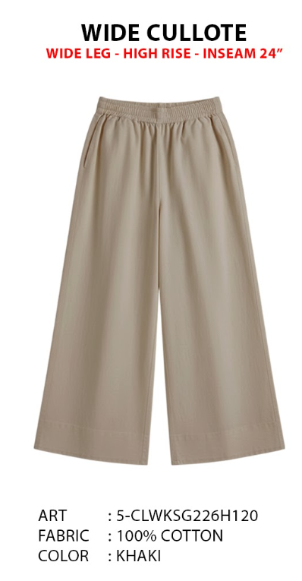
ORDER COSTING FORM

 | STYLE : | 5-CLWKSG226H120 |  | WASHING TYPE :
 | GARMENT COLOR : | KHAKI |  | GARMENT DESC : | CULLOTE
 | QTY ORDER : | 1,501 | PCS | FABRIC COMPOSITION | 3100% Cotton, fw : 57/58" cw : 56-57", +- 120gsm, Finish : Silky

 | BRANDS : | EXECUTIVE

No. | PRODUCT ITEMS |  |  | DESCRIPTION /CODE/COLOR | CONSP./pc garment |  | MATERIAL PRICE |  |  |  |  | Garment Cost/unit | % Allow. based on qty order | TOTAL Garment Cost/pc
 |  |  |  |  |  |  | pc/ unit | USD/ IDR | Original Price in unit | Local/ Import | Price/pc + Taxes
 | FABRICS :
1 | TAKESHI COMPACT 100% Cotton, fw : 57/58" cw : 56-57", +- 120gsm, Finish : Silky |  |  | KHAKI (MINATO) | 1.21 | Yards | 1 | IDR | 33,333.00 | Local | 37,000.00 | IDR 40,446.26 | 0% | IDR 40,446.26
2 | MICROTEX (POCKETING) |  |  |  | 0.22 | Yards | 1 | IDR | 9,500.00 | Local | 9,500.00 | IDR 2,090.00 | 0% | IDR 2,090.00
3
4
 |  |  |  |  |  |  |  |  |  |  |  |  | TOTAL = | IDR 42,536.26
1 | Benang |  |  |  | 1.00 | Pcs | 1 | IDR | 1,000.00 | Local | 1,000.00 | IDR 1,000.00 | 0% | IDR 1,000.00
2 | BUTTON SW-2451 32L |  |  |  | 1.00 | Pcs | 1 | IDR | 400.00 | Local | 400.00 | IDR 400.00 | 0% | IDR 400.00
3 | INTERLINING |  |  |  | 0.06 | YARD | 1 | IDR | 15000 | Local | 15,000.00 | IDR 900.00 | 0% | IDR 900.00
4 |  |  |  |  | 0.00 | SET | 1 | IDR | 0 | Local | - | IDR - | 0% | IDR -
5 |  |  |  |  |  | Pcs | 0 | IDR | 0.00 | Local |  |  | 0%
6 |  |  |  |  |  | Pcs | 0 | IDR | - | Local |  |  | 0%
 |  |  |  |  |  |  | 0 |  |  |  |  |  | TOTAL = | IDR 2,300.00
1 | Small / Boat Label |  |  |  | 1.00 | Pcs | 12 | IDR | Rp4,300 | Local | 310.00 | IDR 310.00 | 0% | IDR 310.00
2 | care label |  |  |  | 1.00 | Pcs | 12 | IDR | Rp1,750 | Local | 130.00 | IDR 130.00 | 0% | IDR 130.00
3 | mini art label |  |  |  | 1.00 | Pcs | 12 | IDR | Rp375 | Local | 110.00 | IDR 110.00 | 0% | IDR 110.00
4 | Hangtag |  |  |  | 1.00 | Pcs | 1 | IDR | Rp220 | Local | 231.00 | IDR 231.00 | 0% | IDR 231.00
5 | Polybag |  |  |  | 1.00 | Pcs | 1 | IDR | Rp250 | Local | 300.00 | IDR 300.00 | 0% | IDR 300.00
6 | Tag Pin / Lock Pin |  |  |  | 1.00 | Pcs | 1 | IDR | Rp25 | Local | 17.00 | IDR 17.00 | 0% | IDR 17.00
7 | Carton Box |  |  |  | 1.00 | Pcs | 1 | IDR | Rp650 | Local | 460.00 | IDR 460.00 | 0% | IDR 460.00
8 | HU Label & lakban |  |  |  | 1.00 | Pcs | 1 | IDR | Rp750 | Local | 300.00 | IDR 300.00 | 0% | IDR 300.00
 |  |  |  |  |  |  |  |  |  |  |  |  | 0%
 |  | 0 |  |  |  |  |  |  |  |  |  |  | TOTAL = | IDR 1,858.00
1 | EMBRO |  |  |  | 1 | Pcs | 1 | IDR | 0.00 | Local | - | IDR - | 0% | IDR -
2 | PRINTING |  |  |  | 1 | Pcs | 1 | IDR | 0.00 | Local | - | IDR - | 0% | IDR -
3 | WASHING | 0 |  |  | 1 | Pcs | 1 | IDR | 0.00 | Local | - | IDR - | 0% | IDR -
 |  |  |  |  |  |  |  |  |  |  |  |  | TOTAL = | IDR -
 | CM COST |  |  |  | 1 | Pcs | 1 | IDR | 0.00 | Local | 20,000.00 | IDR 20,000.00 | 0% | IDR 20,000.00
 | OVERHEAD |  |  |  | 1 | Pcs | 1 | IDR | 0.00 | Local | 2,000.00 | IDR 2,000.00 | 0% | IDR 2,000.00
 |  |  |  |  |  |  |  |  |  |  |  |  | TOTAL = | IDR 22,000.00
 |  |  |  |  |  |  |  |  |  |  |  |  | TOTAL GARMENT COST/PC = | IDR 68,694.26
 |  |  |  |  |  |  |  |  |  |  |  | MARGIN | 5% | IDR 3,434.71
 |  |  |  |  |  |  |  |  |  |  |  | GRAND TOTAL COGS |  | IDR 72,128.98
 |  |  |  |  |  |  |  |  |  |  |  |  |  | 72000

