Sheet1
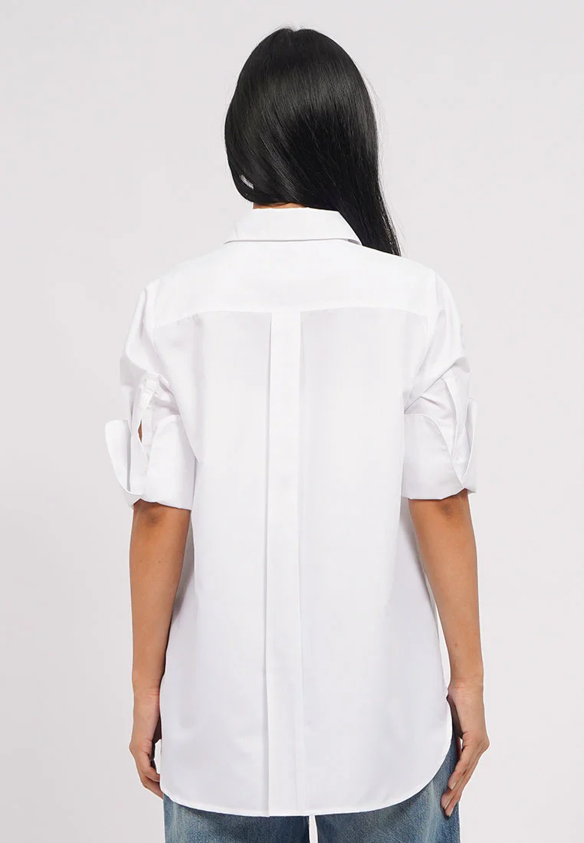
ORDER COSTING FORM

 | STYLE : | 5-BSWKSG226H048 |  | WASHING TYPE :
 | GARMENT COLOR : | BLACK |  | GARMENT DESC : | TURN UP SLEEVE SHIRT
 | QTY ORDER : | 1,800 | PCS | FABRIC COMPOSITION | : 100% Cotton, fw : 57/58" cw : 56-57", +- 180gsm

 | BRANDS : | EXECUTIVE

No. | PRODUCT ITEMS |  |  | DESCRIPTION /CODE/COLOR | CONSP./pc garment |  | MATERIAL PRICE |  |  |  |  | Garment Cost/unit | % Allow. based on qty order | TOTAL Garment Cost/pc
 |  |  |  |  |  |  | pc/ unit | USD/ IDR | Original Price in unit | Local/ Import | Price/pc + Taxes
 | FABRICS :
1 | VA4422 55% Cotton, 45%Tetoron (=Rayon/Poly), fw: 58/59", 116gsm (+- 5%), CVC45 * CVC45 / 136 * 72 |  |  | BLACK (NISSHINBO) | 1.15 | yards | 1 | IDR | 29,550.00 | Local | 29,550.00 | IDR 33,952.95 | 3% | IDR 34,971.54
2 |  |  |  |  |  | Yards | 1 | IDR |  | Local | - |  | 0%
3
4
 |  |  |  |  |  |  |  |  |  |  |  |  | TOTAL = | IDR 34,971.54
1 | Benang |  |  |  | 1.00 | Pcs | 1 | IDR | 1,000.00 | Local | 1,000.00 | IDR 1,000.00 | 3% | IDR 1,030.00
2 | JW 1659 "EXECUTIVE" PT EMAS JUNGWOO INDO SIZE 16L |  |  |  | 12.00 | Pcs | 1 | IDR | 104.00 | Local | 104.00 | IDR 1,248.00 | 3% | IDR 1,285.44
3 | INTERLINING |  |  |  | 0.08 | YARDS | 1 | IDR | 15000 | Local | 15,000.00 | IDR 1,200.00 | 0% | IDR 1,200.00
4 |  |  |  |  |  | Pcs | 0 | IDR | 0 | Local |  |  | 0%
5 |  |  |  |  |  | Pcs | 0 | IDR | 0.00 | Local |  |  | 0%
6 |  |  |  |  |  | Pcs | 0 | IDR | - | Local |  |  | 0%
 |  |  |  |  |  |  | 0 |  |  |  |  |  | TOTAL = | IDR 3,515.44
1 | Small / Boat Label |  |  |  | 1.00 | Pcs | 12 | IDR | Rp4,300 | Local | 358.33 | IDR 358.33 | 3% | IDR 369.08
2 | care label |  |  |  | 1.00 | Pcs | 12 | IDR | Rp1,750 | Local | 145.83 | IDR 145.83 | 3% | IDR 150.21
3 | mini art label |  |  |  | 1.00 | Pcs | 12 | IDR | Rp375 | Local | 31.25 | IDR 31.25 | 3% | IDR 32.19
4 | Hangtag |  |  |  | 1.00 | Pcs | 1 | IDR | Rp220 | Local | 220.00 | IDR 220.00 | 3% | IDR 226.60
5 | Polybag |  |  |  | 1.00 | Pcs | 1 | IDR | Rp250 | Local | 250.00 | IDR 250.00 | 3% | IDR 257.50
6 | Tag Pin / Lock Pin |  |  |  | 1.00 | Pcs | 1 | IDR | Rp25 | Local | 25.00 | IDR 25.00 | 3% | IDR 25.75
7 | Carton Box |  |  |  | 1.00 | Pcs | 1 | IDR | Rp650 | Local | 650.00 | IDR 650.00 | 3% | IDR 669.50
8 | HU Label & lakban |  |  |  | 1.00 | Pcs | 1 | IDR | Rp750 | Local | 750.00 | IDR 750.00 | 3% | IDR 772.50
 |  |  |  |  |  |  |  |  |  |  |  |  | 0%
 |  |  |  |  |  |  |  |  |  |  |  |  | TOTAL = | IDR 2,503.33
1 | EMBRO |  |  |  | 1 | Pcs | 1 | IDR | 0.00 | Local | - | IDR - | 0% | IDR -
2 | PRINTING |  |  |  | 1 | Pcs | 1 | IDR | 0.00 | Local | - | IDR - | 0% | IDR -
3 | WASHING | 0 |  |  | 1 | Pcs | 1 | IDR | 0.00 | Local | - | IDR - | 0% | IDR -
 |  |  |  |  |  |  |  |  |  |  |  |  | TOTAL = | IDR -
 | CM COST |  |  |  | 1 | Pcs | 1 | IDR | 21,000.00 | Local | 21,000.00 | IDR 21,000.00 | 5% | IDR 22,050.00
 | OVERHEAD |  |  |  | 1 | Pcs | 1 | IDR | 2,000.00 | Local | 2,000.00 | IDR 2,000.00 | 0% | IDR 2,000.00
 |  |  |  |  |  |  |  |  |  |  |  |  | TOTAL = | IDR 24,050.00
 |  |  |  |  |  |  |  |  |  |  |  |  | TOTAL GARMENT COST/PC = | IDR 65,040.31
 |  |  |  |  |  |  |  |  |  |  |  | MARGIN | 5% | IDR 3,252.02
 |  | panjang 15-16 yard kewalram |  |  |  |  |  |  |  |  |  | GRAND TOTAL COGS |  | IDR 68,292.32
 |  |  |  |  |  |  |  |  |  |  |  |  |  | 66500

