Sheet1
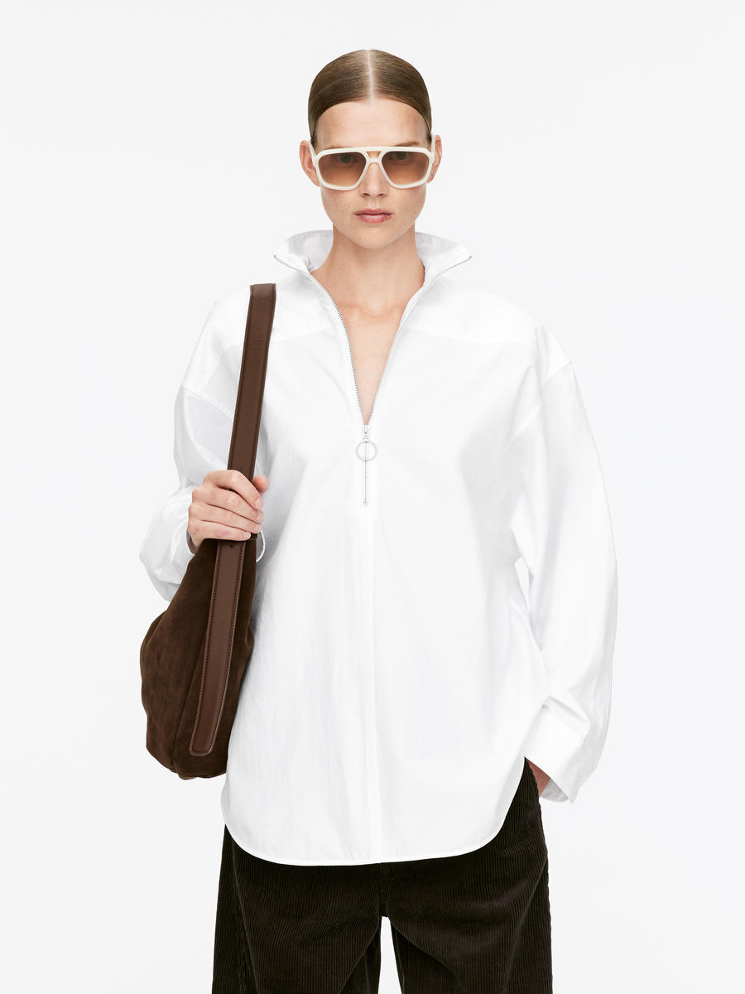
ORDER COSTING FORM

 | STYLE : | 5-BLWSIG226H003 |  | WASHING TYPE :
 | GARMENT COLOR : | OFFWHITE |  | GARMENT DESC : | LONG SLEEVE SHIRT
 | QTY ORDER : | 2,001 | PCS | FABRIC COMPOSITION | :55% Cotton, 45%Tetoron (=Rayon/Poly), fw: 58/59", 116gsm (+- 5%), CVC45 * CVC45 / 136 * 72

 | BRANDS : | EXECUTIVE

No. | PRODUCT ITEMS |  |  | DESCRIPTION /CODE/COLOR | CONSP./pc garment |  | MATERIAL PRICE |  |  |  |  | Garment Cost/unit | % Allow. based on qty order | TOTAL Garment Cost/pc
 |  |  |  |  |  |  | pc/ unit | USD/ IDR | Original Price in unit | Local/ Import | Price/pc + Taxes
 | FABRICS :
1 | 55% Cotton, 45%Tetoron (=Rayon/Poly), fw: 58/59", 116gsm (+- 5%), CVC45 * CVC45 / 136 * 72 |  |  | OFFWHITE (NISHINBO) | 1.49 | YARDS | 1 | IDR | 25,350.00 | Local | 25,350.00 | IDR 37,720.80 | 3% | IDR 38,852.42
2 |  |  |  |  |  | Yards | 1 | IDR |  | Local | - |  | 0%
3
4
 |  |  |  |  |  |  |  |  |  |  |  |  | TOTAL = | IDR 38,852.42
1 | Benang |  |  |  | 1.00 | Pcs | 1 | IDR | 1,000.00 | Local | 1,000.00 | IDR 1,000.00 | 3% | IDR 1,030.00
2 | ZIPPER O-RINGDAR20AUTOLOCK ZIPPER TEETH 3MM |  |  | SILVER | 1.00 | Pcs | 1 | IDR | 3,300.00 | Local | 3,300.00 | IDR 3,300.00 | 3% | IDR 3,399.00
3 | INTERLINING |  |  |  | 0.06 | YARDS | 1 | IDR | 15000 | Local | 15,000.00 | IDR 900.00 | 3% | IDR 927.00
4 | BUTTON SW-2406 16L |  |  |  | 3.00 | Pcs | 1 | IDR | 210 | Local | 210.00 | IDR 630.00 | 3% | IDR 648.90
5 |  |  |  |  |  | Pcs | 0 | IDR | 0.00 | Local |  |  | 0%
6 |  |  |  |  |  | Pcs | 0 | IDR | - | Local |  |  | 0%
 |  |  |  |  |  |  | 0 |  |  |  |  |  | TOTAL = | IDR 6,004.90
1 | Small / Boat Label |  |  |  | 1.00 | Pcs | 12 | IDR | Rp4,300 | Local | 310.00 | IDR 310.00 | 3% | IDR 319.30
2 | care label |  |  |  | 1.00 | Pcs | 12 | IDR | Rp1,750 | Local | 130.00 | IDR 130.00 | 3% | IDR 133.90
3 | mini art label |  |  |  | 1.00 | Pcs | 12 | IDR | Rp375 | Local | 110.00 | IDR 110.00 | 3% | IDR 113.30
4 | Hangtag |  |  |  | 1.00 | Pcs | 1 | IDR | Rp220 | Local | 231.00 | IDR 231.00 | 3% | IDR 237.93
5 | Polybag |  |  |  | 1.00 | Pcs | 1 | IDR | Rp250 | Local | 300.00 | IDR 300.00 | 3% | IDR 309.00
6 | Tag Pin / Lock Pin |  |  |  | 1.00 | Pcs | 1 | IDR | Rp25 | Local | 17.00 | IDR 17.00 | 3% | IDR 17.51
7 | Carton Box |  |  |  | 1.00 | Pcs | 1 | IDR | Rp650 | Local | 460.00 | IDR 460.00 | 3% | IDR 473.80
8 | HU Label & lakban |  |  |  | 1.00 | Pcs | 1 | IDR | Rp750 | Local | 300.00 | IDR 300.00 | 3% | IDR 309.00
 |  |  |  |  |  |  |  |  |  |  |  |  | 0%
 |  |  |  |  |  |  |  |  |  |  |  |  | TOTAL = | IDR 1,913.74
1 | EMBRO |  |  |  | 1 | Pcs | 1 | IDR | 0.00 | Local | - | IDR - | 0% | IDR -
2 | PRINTING |  |  |  | 1 | Pcs | 1 | IDR | 0.00 | Local | - | IDR - | 0% | IDR -
3 | WASHING | 0 |  |  | 1 | Pcs | 1 | IDR | 0.00 | Local | - | IDR - | 0% | IDR -
 |  |  |  |  |  |  |  |  |  |  |  |  | TOTAL = | IDR -
 | CM COST |  |  |  | 1 | Pcs | 1 | IDR | 21,000.00 | Local | 21,000.00 | IDR 21,000.00 | 0% | IDR 21,000.00
 | OVERHEAD |  |  |  | 1 | Pcs | 1 | IDR | 2,000.00 | Local | 2,000.00 | IDR 2,000.00 | 0% | IDR 2,000.00
 |  |  |  |  |  |  |  |  |  |  |  |  | TOTAL = | IDR 23,000.00
 |  |  |  |  |  |  |  |  |  |  |  |  | TOTAL GARMENT COST/PC = | IDR 69,771.06
 |  |  |  |  |  |  |  |  |  |  |  | MARGIN | 5% | IDR 3,488.55
 |  | panjang 15-16 yard kewalram |  |  |  |  |  |  |  |  |  | GRAND TOTAL COGS |  | IDR 73,259.62
 |  |  |  |  |  |  |  |  |  |  |  |  |  | 73200

