5-BLWKSG126F046
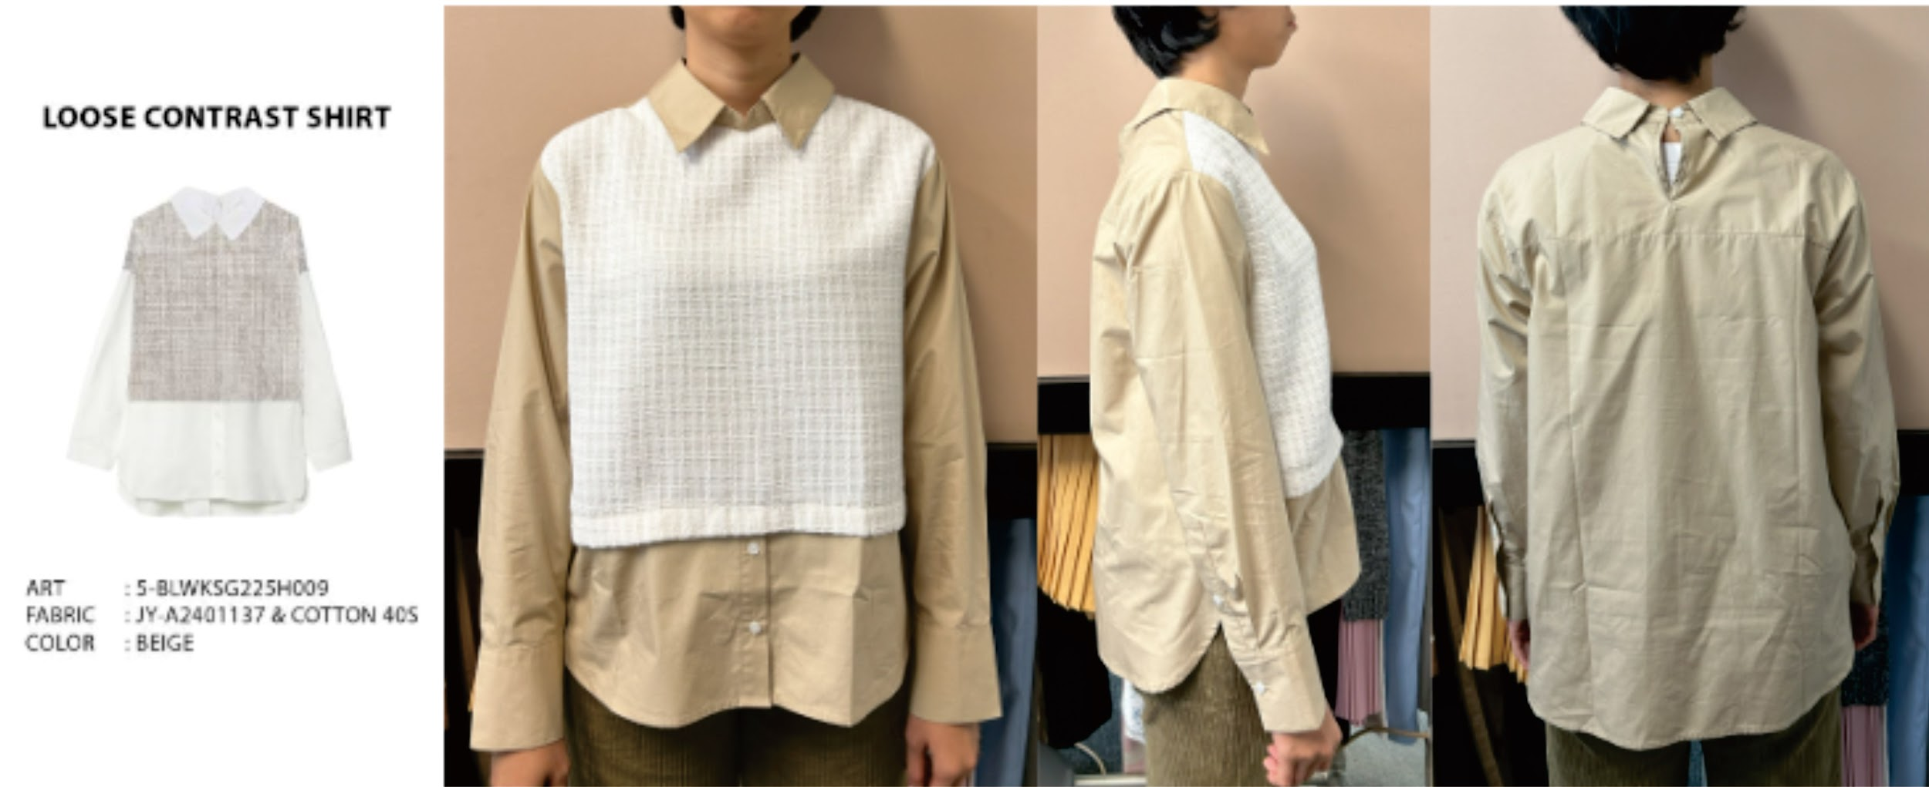
ORDER COSTING FORM

 | STYLE : | 5-BLWKSG126F046 |  | WASHING TYPE :
 | GARMENT COLOR : | BEIGE |  | GARMENT DESC : | MIDI DRESS
 | QTY ORDER : | 2,000 | PCS | FABRIC COMPOSITION | 73% RECYCLE POLY, 25% COTTON, 2% SPANDEX, 150 CM, 270 GSM -

 | BRANDS : | EXECUTIVE

No. | PRODUCT ITEMS |  |  | DESCRIPTION /CODE/COLOR | CONSP./pc garment |  | MATERIAL PRICE |  |  |  |  | Garment Cost/unit | % Allow. based on qty order | TOTAL Garment Cost/pc
 |  |  |  |  |  |  | pc/ unit | USD/ IDR | Original Price in unit | Local/ Import | Price/pc + Taxes
 | FABRICS :
1 | JY-A2401137 73% RECYCLE POLY, 25% COTTON, 2% SPANDEX, 150 CM, 270 GSM - ( HS CODE. 6006.32.10 ) |  |  | BEIGE | 0.09 | KG | 1 | IDR | 158,160.00 | IMPORT | 205,608.00 | IDR 14,234.40 | 3% | IDR 14,661.43
2 | COTTON 40'S |  |  | OFF WHITE | 1.02 | Yards | 1 | IDR | 24600 | Local | 24,600.00 | IDR 25,092.00 | 0% | IDR 25,092.00
3
4
 |  |  |  |  |  |  |  |  |  |  |  |  | TOTAL = | IDR 39,753.43
1 | Benang |  |  |  | 1.00 | Pcs | 1 | IDR | 1,000.00 | Local | 1,000.00 | IDR 1,000.00 | 3% | IDR 1,030.00
2 | SUNGWON SW 2428 SIZE 18L POLOS DTM |  |  |  | 8.00 | Pcs | 1 | IDR | 250.00 | Local | 250.00 | IDR 2,000.00 | 3% | IDR 2,060.00
3 | INTERLINING |  |  |  | 0.08 | Pcs | 1 | IDR | 15000 | Local | 15,000.00 | IDR 1,200.00 | 0% | IDR 1,200.00
4 | ELASTIC LOPP |  |  |  | 0.10 | MTR | 1 | IDR | 1000 | Local | 1,000.00 | IDR 100.00 | 0% | IDR 100.00
5 |  |  |  |  |  | Pcs | 0 | IDR | 0.00 | Local |  |  | 0%
6 |  |  |  |  |  | Pcs | 0 | IDR | - | Local |  |  | 0%
 |  |  |  |  |  |  | 0 |  |  |  |  |  | TOTAL = | IDR 4,390.00
1 | Small / Boat Label |  |  |  | 1.00 | Pcs | 12 | IDR | Rp4,300 | Local | 358.33 | IDR 358.33 | 3% | IDR 369.08
2 | care label |  |  |  | 1.00 | Pcs | 12 | IDR | Rp1,750 | Local | 145.83 | IDR 145.83 | 3% | IDR 150.21
3 | mini art label |  |  |  | 1.00 | Pcs | 12 | IDR | Rp375 | Local | 31.25 | IDR 31.25 | 3% | IDR 32.19
4 | Hangtag |  |  |  | 1.00 | Pcs | 1 | IDR | Rp220 | Local | 220.00 | IDR 220.00 | 3% | IDR 226.60
5 | Polybag |  |  |  | 1.00 | Pcs | 1 | IDR | Rp250 | Local | 250.00 | IDR 250.00 | 3% | IDR 257.50
6 | Tag Pin / Lock Pin |  |  |  | 1.00 | Pcs | 1 | IDR | Rp25 | Local | 25.00 | IDR 25.00 | 3% | IDR 25.75
7 | Carton Box |  |  |  | 1.00 | Pcs | 1 | IDR | Rp650 | Local | 650.00 | IDR 650.00 | 3% | IDR 669.50
8 | HU Label & lakban |  |  |  | 1.00 | Pcs | 1 | IDR | Rp750 | Local | 750.00 | IDR 750.00 | 3% | IDR 772.50
 |  |  |  |  |  |  |  |  |  |  |  |  | 0%
 |  |  |  |  |  |  |  |  |  |  |  |  | TOTAL = | IDR 2,503.33
1 | EMBRO |  |  |  | 1 | Pcs | 1 | IDR | 0.00 | Local | - | IDR - | 0% | IDR -
2 | PRINTING |  |  |  | 1 | Pcs | 1 | IDR | 0.00 | Local | - | IDR - | 0% | IDR -
3 | WASHING |  |  |  | 1 | Pcs | 1 | IDR | 0.00 | Local | - | IDR - | 0% | IDR -
 |  |  |  |  |  |  |  |  |  |  |  |  | TOTAL = | IDR -
 | CM COST |  |  |  | 1 | Pcs | 1 | IDR | 0.00 | Local | 25,000.00 | IDR 25,000.00 | 0% | IDR 25,000.00
 | OVERHEAD |  |  |  | 1 | Pcs | 1 | IDR | 0.00 | Local | 2,000.00 | IDR 2,000.00 | 0% | IDR 2,000.00
 |  |  |  |  |  |  |  |  |  |  |  |  | TOTAL = | IDR 27,000.00
 |  |  |  |  |  |  |  |  |  |  |  |  | TOTAL GARMENT COST/PC = | IDR 73,646.76
 |  |  |  |  |  |  |  |  |  |  |  | MARGIN | 5% | IDR 3,682.34
 |  |  |  |  |  |  |  |  |  |  |  | GRAND TOTAL COGS |  | IDR 77,329.10
 |  |  |  |  |  |  |  |  |  |  |  |  |  | 77500

